PB COMMENTS
Date: 02/02/2021
Country | Energy.type | Last.stage | Method | Machine | Eu.product | Quantity | 1960 | 1961 | 1962 | 1963 | 1964 | 1965 | 1966 | 1967 | 1968 | 1969 | 1970 | 1971 | 1972 | 1973 | 1974 | 1975 | 1976 | 1977 | 1978 | 1979 | 1980 | 1981 | 1982 | 1983 | 1984 | 1985 | 1986 | 1987 | 1988 | 1989 | 1990 | 1991 | 1992 | 1993 | 1994 | 1995 | 1996 | 1997 | 1998 | 1999 | 2000 | 2001 | 2002 | 2003 | 2004 | 2005 | 2006 | 2007 | 2008 | 2009 | 2010 | 2011 | 2012 | 2013 | 2014 | 2015 | 2016 | 2017 | 2018 | 2019 | 2020
WLD | E | Final | PCM | Wood stoves | MTH.100.C | eta.fu | 24.20% | 25.24% | 26.27% | 27.31% | 28.35% | 29.39% | 30.42% | 31.46% | 32.50% | 33.54% | 34.57% | 35.61% | 36.65% | 37.68% | 38.72% | 39.76% | 40.80% | 41.83% | 42.87% | 43.91% | 44.94% | 45.98% | 47.02% | 48.06% | 49.09% | 50.13% | 51.17% | 52.21% | 53.13% | 53.99% | 54.81% | 55.59% | 56.33% | 58.00% | 59.72% | 62.73% | 65.69% | 67.05% | 68.40% | 72.10% | 75.16% | 75.39% | 75.62% | 75.85% | 76.08% | 76.31% | 76.54% | 76.77% | 77.00% | 77.23% | 77.46% | 77.69% | 77.87% | 78.06% | 78.25% | 78.44% | 78.62% | 78.81% | 79.00% | 79.19% | 79.37%
CHN | E | Final | PCM | Wood stoves | MTH.100.C | eta.fu | 24.20% | 25.24% | 26.27% | 27.31% | 28.35% | 29.39% | 30.42% | 31.46% | 32.50% | 33.54% | 34.57% | 35.61% | 36.65% | 37.68% | 38.72% | 39.76% | 40.80% | 41.83% | 42.87% | 43.91% | 44.94% | 45.98% | 47.02% | 48.06% | 49.09% | 50.13% | 51.17% | 52.21% | 53.13% | 53.99% | 54.81% | 55.59% | 56.33% | 58.00% | 59.72% | 62.73% | 65.69% | 67.05% | 68.40% | 72.10% | 75.16% | 75.39% | 75.62% | 75.85% | 76.08% | 76.31% | 76.54% | 76.77% | 77.00% | 77.23% | 77.46% | 77.69% | 77.87% | 78.06% | 78.25% | 78.44% | 78.62% | 78.81% | 79.00% | 79.19% | 79.37%
NOR | E | Final | PCM | Wood stoves | MTH.100.C | eta.fu | 25.98% | 27.10% | 28.21% | 29.33% | 30.44% | 31.55% | 32.67% | 33.78% | 34.89% | 36.01% | 37.12% | 38.24% | 39.35% | 40.46% | 41.58% | 42.69% | 43.80% | 44.92% | 46.03% | 47.15% | 48.26% | 49.37% | 50.49% | 51.60% | 52.71% | 53.83% | 54.94% | 56.06% | 57.05% | 57.97% | 58.85% | 59.69% | 60.48% | 62.27% | 64.12% | 67.36% | 70.53% | 72.00% | 72.41% | 72.82% | 73.24% | 73.65% | 74.06% | 74.47% | 74.88% | 75.29% | 75.71% | 76.12% | 76.53% | 76.94% | 77.35% | 77.76% | 78.18% | 78.59% | 79.00% | 79.19% | 79.38% | 79.57% | 79.76% | 79.95% | 80.14%
GHA | E | Final | PCM | Wood stoves | MTH.100.C | eta.fu | 21.70% | 22.00% | 22.30% | 22.60% | 22.90% | 23.20% | 23.50% | 23.80% | 24.10% | 24.40% | 24.70% | 25.00% | 25.30% | 25.60% | 25.90% | 26.20% | 26.50% | 26.80% | 27.10% | 27.40% | 27.70% | 28.00% | 28.30% | 28.60% | 28.90% | 29.20% | 29.50% | 29.80% | 30.10% | 30.40% | 30.70% | 31.00% | 31.30% | 31.60% | 31.90% | 32.20% | 32.50% | 32.80% | 33.10% | 33.40% | 33.70% | 34.00% | 34.30% | 34.60% | 34.90% | 35.20% | 35.50% | 35.80% | 35.91% | 36.01% | 36.12% | 36.23% | 36.32% | 36.40% | 36.49% | 36.58% | 36.67% | 36.75% | 36.84% | 36.93% | 37.02%
USA | E | Final | PCM | Wood stoves | MTH.100.C | eta.fu | 34.26% | 35.19% | 36.11% | 37.04% | 37.96% | 38.89% | 39.81% | 40.74% | 41.67% | 42.59% | 43.52% | 44.44% | 45.37% | 46.30% | 47.22% | 48.15% | 49.07% | 50.00% | 50.31% | 50.61% | 50.92% | 51.23% | 51.53% | 51.84% | 52.15% | 52.45% | 52.76% | 53.07% | 53.37% | 53.68% | 53.99% | 54.29% | 54.60% | 54.91% | 55.21% | 55.52% | 55.83% | 56.13% | 56.44% | 56.75% | 57.05% | 57.36% | 57.67% | 57.97% | 58.28% | 58.59% | 58.89% | 59.20% | 59.51% | 59.81% | 60.12% | 60.43% | 61.86% | 63.28% | 64.71% | 66.14% | 67.57% | 69.00% | 70.43% | 71.86% | 73.29%

 |  |  |  |  |  |  |  |  |  |  |  |  |  |  |  | ZM Comments
1 | USA - I would suggest that the trend is more asymptotic from 1978 to 2020. I think the 2010-2020 EPA best fit is pretty flat ~ 70%. So it follows more the world-CHN-NOR trend |  |  |  |  |  |  |  |  |  |  |  |  |  |  | If we adpot a lag approach this would be the appropriate fix as the underlying efficiency data for new stoves is robust
2 | how do we decide which coutnries to point to Ghana? Seems logical to point regionally - i.e. african countries to Ghana, asia to china etc? |  |  |  |  |  |  |  |  |  |  |  |  |  |  | Will set by country, haven't currently built in the ability fall back to a country within a continent.
3 | obtain average age of wood stove |  |  |  |  |  |  |  |  |  |  |  |  |  |  | Comment added to planner excel file
4 | I am not convinced the wood stoves in USA are being used for cooking: looks more like LTH.50.C at best
 | This could mean a split of end use allocations. I'll check the USA allocations

 | PB: possible split of machine: wood cooker MTH.100.C and wood furnace (LTH.20.C). See DNK residential fuels - biomass allocation, not in C_Master? USA Hirst 1977, also has ~75% (LTH.20.C); 20% hot water LTH.50'C and 5% MTH.100.C for 'other fuels'. similar to DNK.
 | so, our data suggests 3 things
 | 1 | GHA / africa: used mainly (assume only) for cooking. Low efficiency MTH.100.C
 | 2 | china: used for 50% space heating (LTH.20.C) and 50% for cooking (MTH.100.C)
 | 3 | DNK / USA / UK: used mainly for space heating 75% (LTH.20.C); 20% hot water (LTH.50.C) and 5% cooking (MTH.100.C)
 | 4 | so: we keep a hybrid machine for each country, and one allocation?
 | 5 | or, we split allcations to 3x end uses for solid biomass
 | 6 | same question for domestic coal use. Currently we have one machine at MTH.200.C

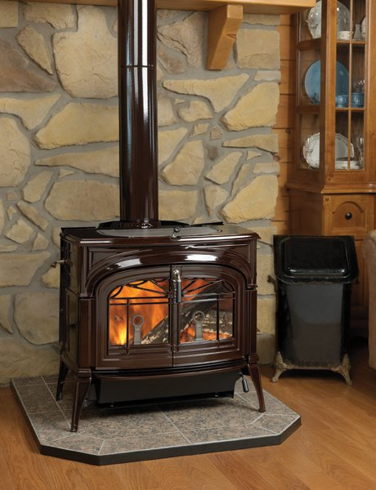

wood stoves

Edwards_2004
Edwards et al (2004) - Implications of changes in household stoves and fuel use in China
https://doi.org/10.1016/S0301-4215(02)00309-9

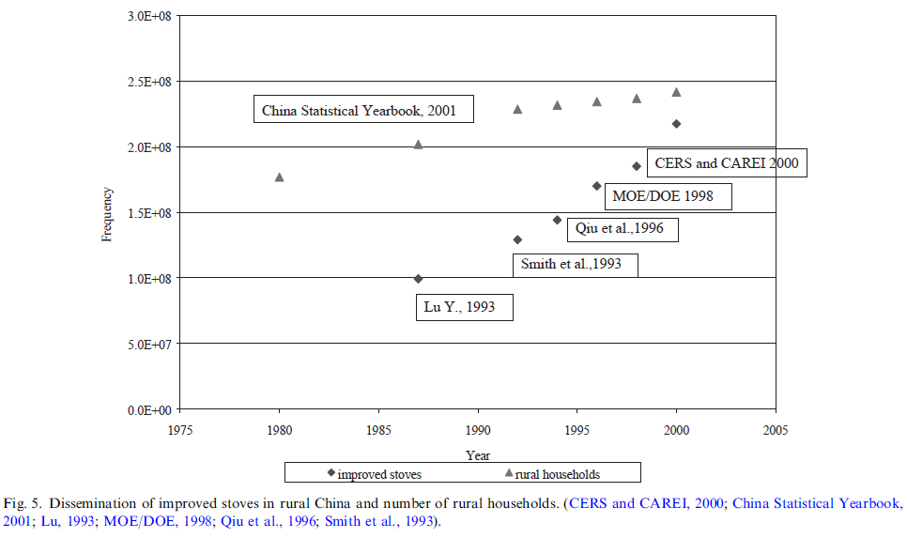
Country | Year | Number of Rural Households [-] | Number of Improved Stoves [-] | Proportion of Rural Households with an Improved Stove [-] | Source/Method | Proportion of Rural Households without an Improved Stove [-] | Aggregate Wood Stove Efficiency [-]
CHN | 1960 |  |  | 0.00% | Assumed 0% | 100.00% | 24.20%
CHN | 1961 |  |  | 1.84% | Linear interpolation | 98.16% | 25.24%
CHN | 1962 |  |  | 3.68% | Linear interpolation | 96.32% | 26.27%
CHN | 1963 |  |  | 5.53% | Linear interpolation | 94.47% | 27.31%
CHN | 1964 |  |  | 7.37% | Linear interpolation | 92.63% | 28.35%
CHN | 1965 |  |  | 9.21% | Linear interpolation | 90.79% | 29.39%
CHN | 1966 |  |  | 11.05% | Linear interpolation | 88.95% | 30.42%
CHN | 1967 |  |  | 12.90% | Linear interpolation | 87.10% | 31.46%
CHN | 1968 |  |  | 14.74% | Linear interpolation | 85.26% | 32.50%
CHN | 1969 |  |  | 16.58% | Linear interpolation | 83.42% | 33.54%
CHN | 1970 |  |  | 18.42% | Linear interpolation | 81.58% | 34.57%
CHN | 1971 |  |  | 20.27% | Linear interpolation | 79.73% | 35.61%
CHN | 1972 |  |  | 22.11% | Linear interpolation | 77.89% | 36.65%
CHN | 1973 |  |  | 23.95% | Linear interpolation | 76.05% | 37.68%
CHN | 1974 |  |  | 25.79% | Linear interpolation | 74.21% | 38.72%
CHN | 1975 |  |  | 27.63% | Linear interpolation | 72.37% | 39.76%
CHN | 1976 |  |  | 29.48% | Linear interpolation | 70.52% | 40.80%
CHN | 1977 |  |  | 31.32% | Linear interpolation | 68.68% | 41.83%
CHN | 1978 |  |  | 33.16% | Linear interpolation | 66.84% | 42.87%
CHN | 1979 |  |  | 35.00% | Linear interpolation | 65.00% | 43.91%
CHN | 1980 | 176352880.66 |  | 36.85% | Linear interpolation | 63.15% | 44.94%
CHN | 1981 | 179827160.49 |  | 38.69% | Linear interpolation | 61.31% | 45.98%
CHN | 1982 | 183301440.33 |  | 40.53% | Linear interpolation | 59.47% | 47.02%
CHN | 1983 | 186775720.16 |  | 42.37% | Linear interpolation | 57.63% | 48.06%
CHN | 1984 | 190250000 |  | 44.22% | Linear interpolation | 55.78% | 49.09%
CHN | 1985 | 193724279.84 |  | 46.06% | Linear interpolation | 53.94% | 50.13%
CHN | 1986 | 197198559.67 |  | 47.90% | Linear interpolation | 52.10% | 51.17%
CHN | 1987 | 200672839.51 | 99819743.698 | 49.74% | Edwards et al (2004) | 50.26% | 52.21%
CHN | 1988 | 205935994.25 | 105829097.07 | 51.39% | Edwards et al (2004) | 48.61% | 53.13%
CHN | 1989 | 211234807.62 | 111774388.77 | 52.91% | Edwards et al (2004) | 47.09% | 53.99%
CHN | 1990 | 216533621 | 117719680.47 | 54.37% | Edwards et al (2004) | 45.63% | 54.81%
CHN | 1991 | 221832434.38 | 123664972.16 | 55.75% | Edwards et al (2004) | 44.25% | 55.59%
CHN | 1992 | 227131247.75 | 129610263.86 | 57.06% | Edwards et al (2004) | 42.94% | 56.33%
CHN | 1993 | 229159891.6 | 137562962.96 | 60.03% | Edwards et al (2004) | 39.97% | 58.00%
CHN | 1994 | 231008732.31 | 145733212.89 | 63.09% | Edwards et al (2004) | 36.91% | 59.72%
CHN | 1995 | 231827160.49 | 158675097.86 | 68.45% | Edwards et al (2004) | 31.55% | 62.73%
CHN | 1996 | 232585185.19 | 171386735.57 | 73.69% | Edwards et al (2004) | 26.31% | 65.69%
CHN | 1997 | 234423366.46 | 178438128.05 | 76.12% | Edwards et al (2004) | 23.88% | 67.05%
CHN | 1998 | 236272207.17 | 185489520.53 | 78.51% | Edwards et al (2004) | 21.49% | 68.40%
CHN | 1999 | 238433862.43 | 202838838.84 | 85.07% | Edwards et al (2004) | 14.93% | 72.10%
CHN | 2000 | 240599647.27 | 217777777.78 | 90.51% | Edwards et al (2004) | 9.49% | 75.16%
CHN | 2001 |  |  | 90.92% | Linear interpolation | 9.08% | 75.39%
CHN | 2002 |  |  | 91.33% | Linear interpolation | 8.67% | 75.62%
CHN | 2003 |  |  | 91.74% | Linear interpolation | 8.26% | 75.85%
CHN | 2004 |  |  | 92.15% | Linear interpolation | 7.85% | 76.08%
CHN | 2005 |  |  | 92.55% | Linear interpolation | 7.45% | 76.31%
CHN | 2006 |  |  | 92.96% | Linear interpolation | 7.04% | 76.54%
CHN | 2007 |  |  | 93.37% | Linear interpolation | 6.63% | 76.77%
CHN | 2008 |  |  | 93.78% | Linear interpolation | 6.22% | 77.00%
CHN | 2009 |  |  | 94.18% | Linear interpolation | 5.82% | 77.23%
CHN | 2010 |  |  | 94.59% | Linear interpolation | 5.41% | 77.46%
CHN | 2011 |  |  | 95.00% | CTCN (2011) | 5.00% | 77.69%
CHN | 2012 |  |  | 95.33% | Linear interpolation | 4.67% | 77.87%
CHN | 2013 |  |  | 95.67% | Linear interpolation | 4.33% | 78.06%
CHN | 2014 |  |  | 96.00% | Linear interpolation | 4.00% | 78.25%
CHN | 2015 |  |  | 96.33% | Linear interpolation | 3.67% | 78.44%
CHN | 2016 |  |  | 96.67% | Linear interpolation | 3.33% | 78.62%
CHN | 2017 |  |  | 97.00% | Linear interpolation | 3.00% | 78.81%
CHN | 2018 |  |  | 97.33% | Linear interpolation | 2.67% | 79.00%
CHN | 2019 |  |  | 97.67% | Linear interpolation | 2.33% | 79.19%
CHN | 2020 |  |  | 98.00% | Assumed 98% | 2.00% | 79.37%

Li_2016
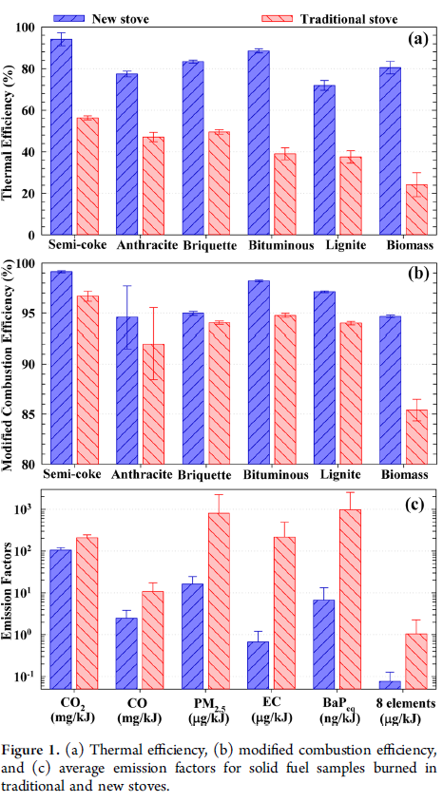
Li et al (2016) - Improving the Energy Efficiency of Stoves To Reduce Pollutant Emissions from Household Solid Fuel Combustion in China
https://pubs.acs.org/doi/abs/10.1021/acs.estlett.6b00324 |  |  | @article{li2016improving,
 |  |  | title={Improving the energy efficiency of stoves to reduce pollutant emissions from household solid fuel combustion in China},
Household thermal efficiency |  |  | author={Li, Qing and Jiang, Jingkun and Qi, Juan and Deng, Jianguo and Yang, Deshan and Wu, Jianjun and Duan, Lei and Hao, Jiming},
Year | Ef.product | Eta.fu | journal={Environmental Science \& Technology Letters},
1960 | Semi-coke | 56.30% | volume={3},
1960 | Anthracite | 47.10% | number={10},
1960 | Briquette | 50.00% | pages={369--374},
1960 | Bituminous | 39.10% | year={2016},
1960 | Lignite | 37.50% | publisher={ACS Publications}
1960 | Biomass | 24.20% | }
2015 | Semi-coke | 94.10%
2015 | Anthracite | 77.40%
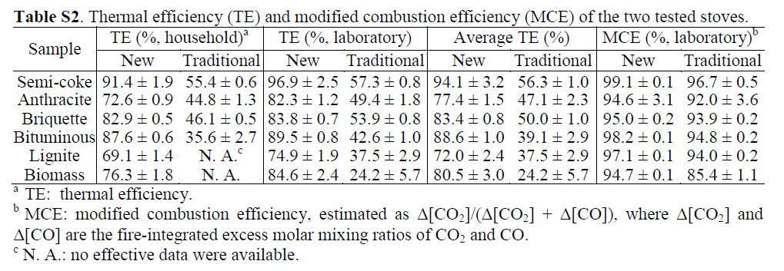
2015 | Briquette | 83.40%
2015 | Bituminous | 88.60%
2015 | Lignite | 72.00%
2015 | Biomass | 80.50%

1960 | Mean of coal products | 48.12%
2015 | Mean of coal products | 83.10%

CTCN_2011
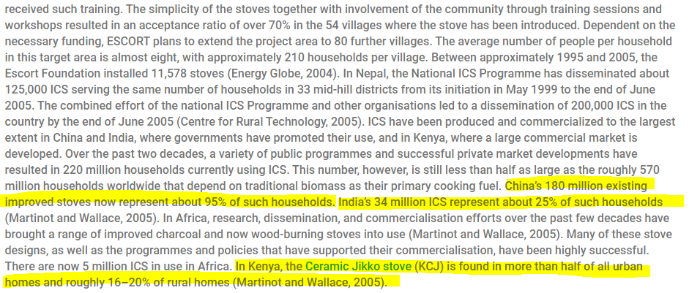
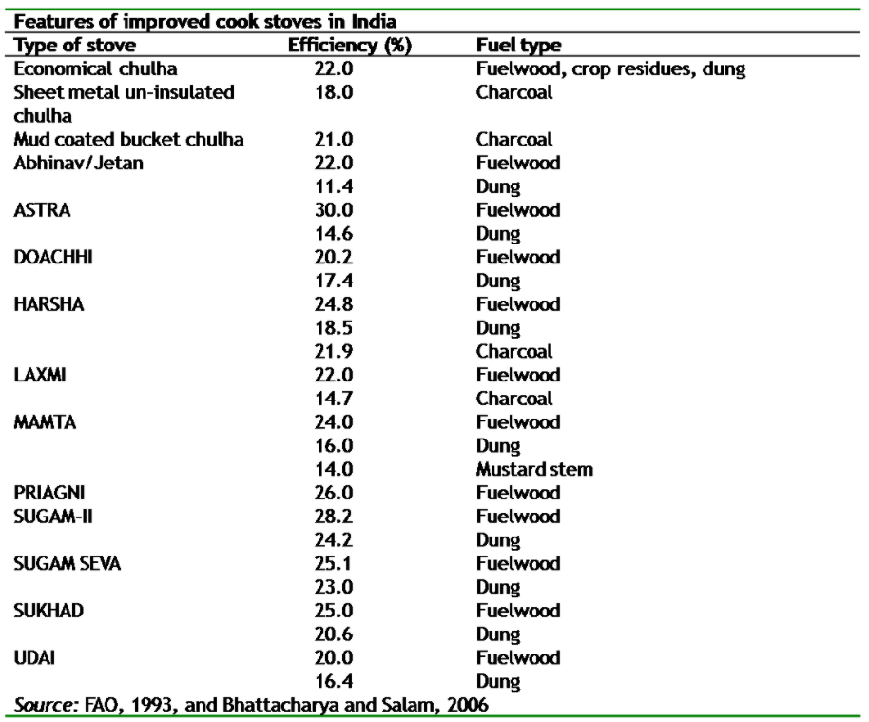
CTCN (2011) - Improved Cook Stoves
https://www.ctc-n.org/technologies/improved-cook-stoves
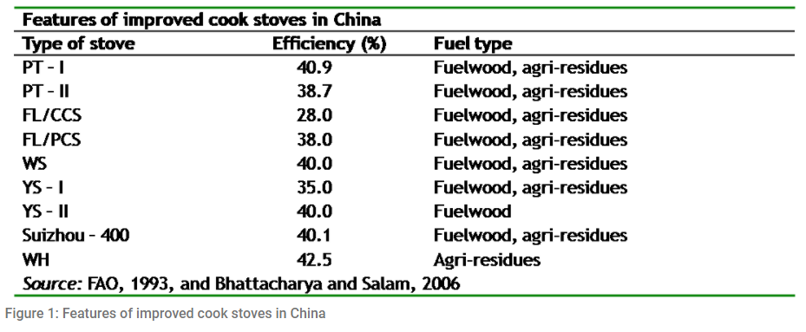

Year | Country | Proportion of Rural Households with an Improved Stove [-]
2011 | CHN | 95.00%
2011 | KEN
2011 | IND | 25.00%

Skreiberg_2018
Skreiberg & Seljeskog (2018) - Performance History and Further Improvement Potential for Wood Stoves
https://sintef.brage.unit.no/sintef-xmlui/bitstream/handle/11250/2585080/Skreiberg2018pha_publisert.pdf?sequence=1

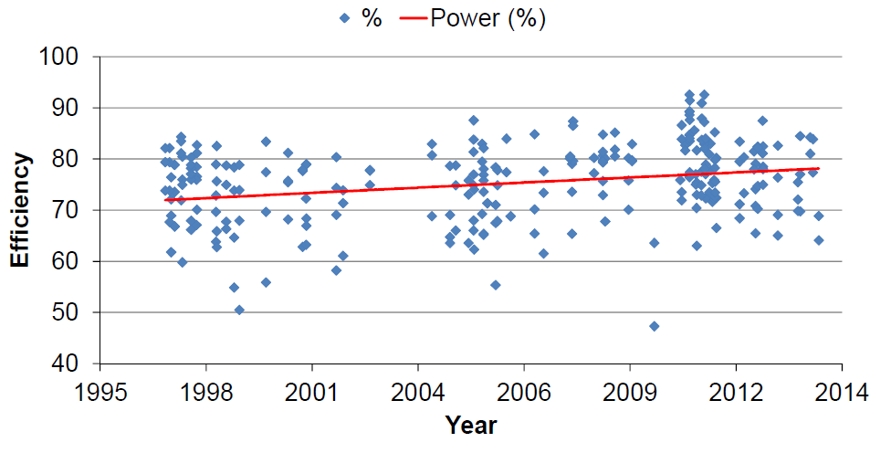
Year | Country | Efficiency | Source/Method
1960 | NOR
1961 | NOR
1962 | NOR
1963 | NOR
1964 | NOR
1965 | NOR
1966 | NOR
1967 | NOR
1968 | NOR
1969 | NOR
1970 | NOR
1971 | NOR
1972 | NOR
1973 | NOR
1974 | NOR
1975 | NOR
1976 | NOR
1977 | NOR
1978 | NOR
1979 | NOR
1980 | NOR
1981 | NOR
1982 | NOR
1983 | NOR
1984 | NOR
1985 | NOR
1986 | NOR
1987 | NOR
1988 | NOR
1989 | NOR
1990 | NOR
1991 | NOR
1992 | NOR
1993 | NOR
1994 | NOR
1995 | NOR
1996 | NOR
1997 | NOR | 72.00% | Skreiberg & Seljeskog (2018)
1998 | NOR | 72.41% | Linear interpolation
1999 | NOR | 72.82% | Linear interpolation
2000 | NOR | 73.24% | Linear interpolation
2001 | NOR | 73.65% | Linear interpolation
2002 | NOR | 74.06% | Linear interpolation
2003 | NOR | 74.47% | Linear interpolation
2004 | NOR | 74.88% | Linear interpolation
2005 | NOR | 75.29% | Linear interpolation
2006 | NOR | 75.71% | Linear interpolation
2007 | NOR | 76.12% | Linear interpolation
2008 | NOR | 76.53% | Linear interpolation
2009 | NOR | 76.94% | Linear interpolation
2010 | NOR | 77.35% | Linear interpolation
2011 | NOR | 77.76% | Linear interpolation
2012 | NOR | 78.18% | Linear interpolation
2013 | NOR | 78.59% | Linear interpolation
2014 | NOR | 79.00% | Skreiberg & Seljeskog (2018)

Coffey_2017
Coffey et al (2017) - New Emission Factors and Efficiencies from in-Field Measurements of Traditional and Improved Cookstoves and Their Potential Implications
https://pubs.acs.org/doi/full/10.1021/acs.est.7b02436
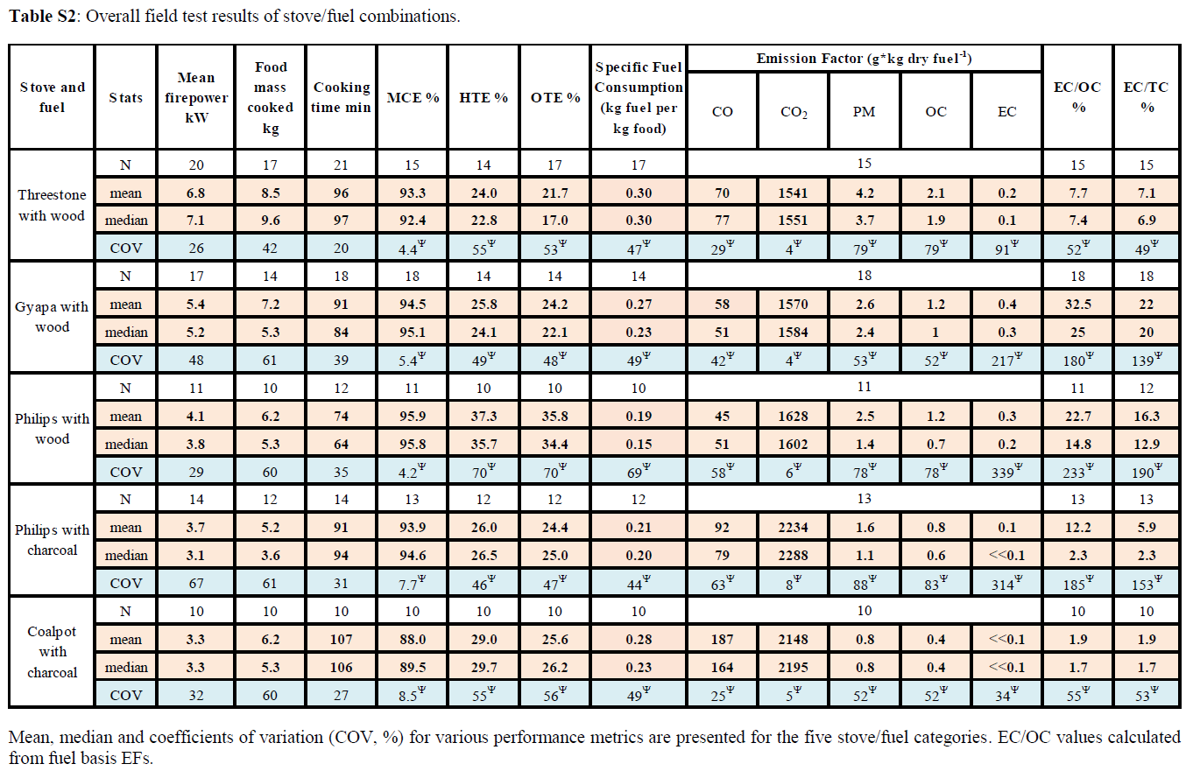
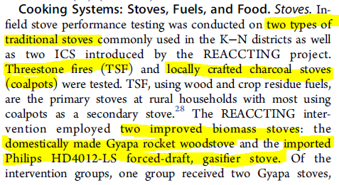
Year | Country | Stove Type | Stove Fuel | Overall Thermal Efficiency [-]
1960 | GHA | Threestone | Wood | 21.70%
2007 | GHA | Gyapa | Wood | 24.20%
 | GHA | Phillips | Wood | 35.80%
 | GHA | Phillips | Charcoal | 24.40%
1960 | GHA | Coalpot | Charcoal | 25.60%

Butcher_1977
Butcher & Buckley (1977) - A Preliminary Study of Particulate Emissions from Small Wood Stoves
https://doi.org/10.1080/00022470.1977.10470431

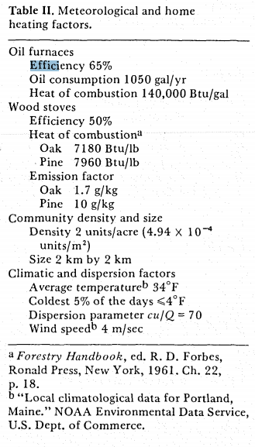
Year | Machine | Efficiency [-]
1977 | Wood stoves | 50.00%

EPA_2021
EPA (2021) - EPA certified wood stove database
https://cfpub.epa.gov/oarweb/woodstove/index.cfm?fuseaction=app.about

EPA Woodstove Raw Data |  |  |  |  |  |  |  |  | Analysis
New | Model | Manufacturer | Efficiency | Type | Fuel Type | NSPS Compliance 2020 | Complance Date | Year | Year | Efficiency [-]
 | Chinook Siroccco Ashford CK24C, CK24F, CK30C, CK30F, SC30, AF30 | Blaze King Industries, Inc. | 73 | Wood Stove | Crib Wood | No | 01/18/2011 | 2011 | 2011 | 60.43%
 | FP-8, FP-14-Cartier, HE200, and Merlot | Stove Builder International, Inc. |  | Wood Stove | Crib Wood | No | 04/09/2015 | 2015 | 2012 | 61.86%
 | EF2-1, Chatham-1, Davenport-1, and Kinderhook-1 | Sherwood Industries, Ltd. | 77 | Pellet Stove | Wood Pellets | Yes | 10/20/2016 | 2016 | 2013 | 63.28%
 | NZ3000H | Wolf Steel Ltd. | 63 | Wood Stove | Crib Wood | No | 07/01/2016 | 2016 | 2014 | 64.71%
 | Polaris, Centauri, Vega, Sirius, Antares and Rigel | J. A. Roby Inc. | 76 | Wood Stove | Crib Wood | Yes | 03/30/2016 | 2016 | 2015 | 66.14%
 | Data
2011 | 73
2015 | 0
2016 | 77
2016 | 63
2016 | 76
2016 | 78
2017 | 77
2017 | 69
2017 | 69
2017 | 74
2017 | 68
2017 | 79
2017 | 72
2017 | 70
2017 | 73
2018 | 80
2018 | 76
2018 | 74
2018 | 66
2018 | 73
2018 | 70
2018 | 70
2018 | 76
2018 | 60
2018 | 77
2018 | 72
2018 | 71
2018 | 77
2018 | 76
2018 | 61
2018 | 66
2018 | 73
2018 | 61
2018 | 70
2018 | 77
2018 | 78
2018 | 78
2018 | 76
2018 | 83
2018 | 82
2018 | 68
2018 | 66
2018 | 77
2018 | 64
2018 | 87
2018 | 70
2018 | 70
2018 | 75
2018 | 71
2018 | 79
...
 | Rockport | Travis Industries, Inc | 78 | Wood Stove | Crib Wood | Yes | 02/10/2016 | 2016 | 2016 | 67.57%
 | Castleton 8031 | Hearthstone Quality Home Heating Products Inc. | 77 | Wood Stove | Crib Wood | Yes | 12/21/2017 | 2017 | 2017 | 69.00%
 | XTD 1.9 Stove, XTD 1.9-I Insert, CW2900 Insert, Destination 2.3-I Insert, HEI 240 Insert, HEI 240R Insert, Matrix-I, HES240, HEI240 | Stove Builder International, Inc. | 69 | Wood Stove | Cord Wood | Yes | 12/21/2017 | 2017 | 2018 | 70.43%
 | 2.3 Series Escape 1800, Inspire 2000 Stove, Inspire 2000-I Insert, Inspire 2000-IWB Insert, Destination 2.3 Stove, Matrix Stove, Escape 1800-I Insert, 2000 Stove, 2000-I Insert, Harmony 2.3 Stove, Solution 2.3 Stove, Solution 2.3-I Insert | Stove Builder International, Inc. | 69 | Wood Stove | Cord Wood | Yes | 12/21/2017 | 2017 | 2019 | 71.86%
 | Summit LE, Summit Classic LE, Alderlea T6 LE, and Summit Insert LE | Pacific Energy Fireplace Products Limited | 74 | Wood Stove | Crib Wood | Yes | 12/21/2017 | 2017 | 2020 | 73.29%
 | Astra 24 24SFC, Novo 24 - Cast Iron | Foyers Supreme, Inc | 68 | Wood Stove | Crib Wood | Yes | 12/19/2017 | 2017 | 2021 | 74.72%
 | 212N Navajo Hybrid Wood/Coal, 212S Survival Hybrid Wood/Coal | Woodstock Soapstone Company, Inc. | 79 | Wood Stove | Cord Wood | Yes | 12/11/2017 | 2017
 | Viva 100 L (CA) USA, Viva 100 L G (CA) USA, Viva 100 L Classic (CA) USA, Viva 100 L G Classic (CA) USA, Viva 120 L (CA) USA, Viva 120 L G (CA) USA, Viva 120 L Classic (CA) USA, Viva 120 L G Classic (CA) USA, Viva 160 L (CA) USA, Viva 160 L | Rais A/S | 72 | Wood Stove | Crib Wood | Yes | 05/08/2017 | 2017
 | Osburn 2500, 55 Series Eco-55 and Eco-55 ST | Stove Builder International, Inc. | 70 | Pellet Stove | Wood Pellets | Yes | 04/10/2017 | 2017
 | ComfortBilt HP22N, HP22, and HP22i Insert | SMG Hearth and Home, LLC | 73 | Pellet Stove | Wood Pellets | Yes | 03/21/2017 | 2017
 | Princess PE32 | Blaze King Industries, Inc. | 80 | Wood Stove | Crib Wood | Yes | 12/28/2018 | 2018
 | AGP Insert | Travis Industries, Inc | 76 | Pellet Stove | Wood Pellets | Yes | 12/13/2018 | 2018
 | GV230GL and ML230GL | Innovative Hearth Products | 74 | Wood Stove | Crib Wood | Yes | 12/13/2018 | 2018
 | Enviro – Mini, P3 and Regency Greenfire – GF40 | Sherwood Industries, Ltd. | 66 | Pellet Stove | Wood Pellets | Yes | 11/30/2018 | 2018
 | Deerfield | Travis Industries, Inc | 73 | Pellet Stove | Wood Pellets | Yes | 11/30/2018 | 2018
 | Enviro – Meridian-1, Meridian FPI, Meridian Cast Iron and Regency Greenfire – GF55, GFI55 | Sherwood Industries, Ltd. | 70 | Pellet Stove | Wood Pellets | Yes | 11/30/2018 | 2018
 | Enviro – Meridian-1, Meridian FPI, Meridian Cast Iron and Regency Greenfire – GF55, GFI55 | Fireplace Products International Limited | 70 | Pellet Stove | Wood Pellets | Yes | 11/30/2018 | 2018
 | AGP PS | Travis Industries, Inc | 76 | Pellet Stove | Wood Pellets | Yes | 11/30/2018 | 2018
 | Enviro - M55 FS, M55C-FPI and Regency Greenfire – GC60, GCI60 | Sherwood Industries, Ltd. | 60 | Pellet Stove | Wood Pellets | Yes | 11/30/2018 | 2018
 | Enviro – Maxx-1 | Sherwood Industries, Ltd. | 77 | Pellet Stove | Wood Pellets | Yes | 11/30/2018 | 2018
 | Fox Fire | Travis Industries, Inc | 72 | Pellet Stove | Wood Pellets | Yes | 11/28/2018 | 2018
 | 3.5 Series - Solution 3.5, Escape 2100, HT-3000, Osburn 3500, Gateway 3500 | Stove Builder International, Inc. | 71 | Wood Stove | Cord Wood | Yes | 11/18/2018 | 2018
 | Evergreen | Travis Industries, Inc | 77 | Wood Stove | Cord Wood | Yes | 11/18/2018 | 2018
 | Medium Flush Wood Hybrid Fyre Insert | Travis Industries, Inc | 76 | Wood Stove | Cord Wood | Yes | 11/18/2018 | 2018
 | Jessica Natural and Veronica Natural | Laminox | 61 | Pellet Stove | Wood Pellets | Yes | 10/17/2018 | 2018
 | SP1000 | United States Stove Company | 66 | Pellet Stove | Wood Pellets | Yes | 10/17/2018 | 2018
 | Jessica 11 Air and Veronica 11 Air | Laminox | 73 | Pellet Stove | Wood Pellets | Yes | 10/17/2018 | 2018
 | Astra 18, Elegance 30, Novo 18 – Soapstone, and Novo 18 – Cast Iron | Foyers Supreme, Inc | 61 | Wood Stove | Crib Wood | Yes | 10/17/2018 | 2018
 | S160AGL, S160TGL, C160AGL, C160TGL, T160GL and WXS2016 | Innovative Hearth Products | 70 | Wood Stove | Cord Wood | Yes | 10/17/2018 | 2018
 | Lopi Cape Cod Hybrid-Fyre | Travis Industries, Inc | 77 | Wood Stove | Cord Wood | Yes | 10/09/2018 | 2018
 | 25-CBPAH, 55-SHPCBPAH, and 55-TRPCBPAH | England's Stove Works, Inc. | 78 | Pellet Stove | Wood Pellets | Yes | 09/24/2018 | 2018
 | Large Flush Wood Hybrid Fyre Insert | Travis Industries, Inc | 78 | Wood Stove | Cord Wood | Yes | 08/27/2018 | 2018
 | F2500 | FPI/Regency Fireplace Products | 76 | Wood Stove | Cord Wood | Yes | 08/21/2018 | 2018
 | PelPro PP70 | Hearth and Home Technologies | 83 | Pellet Stove | Wood Pellets | Yes | 07/25/2018 | 2018
 | PelPro PP130-B | Hearth and Home Technologies | 82 | Pellet Stove | Wood Pellets | Yes | 07/19/2018 | 2018
 | Astra 38, Elegance 42, Novo 38 – Soapstone, Novo 38 Cast Iron | Foyers Supreme, Inc | 68 | Wood Stove | Crib Wood | Yes | 07/19/2018 | 2018
 | King KP60, Ashley AP60, Vogelzang VG60 | United States Stove Company | 66 | Pellet Stove | Wood Pellets | Yes | 07/18/2018 | 2018
 | Harman Absolute 43-C | Hearth and Home Technologies | 77 | Pellet Stove | Wood Pellets | Yes | 06/18/2018 | 2018
 | 25CAB80, 55-SHPCAB80, 55-TRPCAB80, 55-SHPCAB80S, 55-RPCAB80S | England's Stove Works, Inc. | 64 | Pellet Stove | Wood Pellets | Yes | 06/18/2018 | 2018
 | PS20W (MINI 2 PCS) | Enerco Group, Inc. | 87 | Pellet Stove | Wood Pellets | Yes | 06/07/2018 | 2018
 | 5770, 5770i, VG5770, VG5770i, AP5770, AP5770i, DNMP577, DNMP577(i), 5790, VG5790, AP5790, and DNMP579 | United States Stove Company | 70 | Pellet Stove | Wood Pellets | Yes | 06/07/2018 | 2018
 | OPEL PLUS Series: Opel+ 2C, Open+ 3C, Opel+ 4C, Opel+ Keystone | RSF / Industrial Chimney Company, Incorporated | 70 | Wood Stove | Crib Wood | Yes | 05/25/2018 | 2018
 | Princess PI29 Insert | Blaze King Industries, Inc. | 75 | Wood Stove | Crib Wood | Yes | 05/25/2018 | 2018
 | Thelin Parlour T-4000 | Thelin Company Inc. | 71 | Wood Stove | Crib Wood | Yes | 05/25/2018 | 2018
 | Green Mountain 60 8660, Hipster 20 AMB8260, Shelburne 8372 | Hearthstone Quality Home Heating Products Inc. | 79 | Wood Stove | Crib Wood | Yes | 04/13/2018 | 2018
 | Quadra Fire Mount Vernon E2-C, Quadra Fire Mount Vernon E2-C Insert, Trekker, Trekker Insert | Hearth and Home Technologies | 78 | Pellet Stove | Wood Pellets | Yes | 04/13/2018 | 2018
 | VG325HE, B2941E, BEC95E, Classic I NC100E, Classic I AW100E | United States Stove Company |  | Wood Stove | Crib Wood | No | 04/13/2018 | 2018
 | VG130, KP130, AP130, 5500M, 5502M | United States Stove Company |  | Pellet Stove | Wood Pellets | No | 04/06/2018 | 2018
 | Intrepid FlexBurn 2115-CAT | Hearth and Home Technologies | 77 | Wood Stove | Crib Wood | Yes | 03/28/2018 | 2018
 | Slimquadro 9 | Thermorossi s.p.a | 79 | Pellet Stove | Wood Pellets | Yes | 03/28/2018 | 2018
 | PAIR11, PAIR11PLUS | Thermorossi s.p.a | 78 | Pellet Stove | Wood Pellets | Yes | 03/28/2018 | 2018
 | Astra 32 and Elegance 40 | Foyers Supreme, Inc | 67 | Wood Stove | Crib Wood | Yes | 03/28/2018 | 2018
 | Slimquadro 11 | Thermorossi s.p.a | 79 | Pellet Stove | Wood Pellets | Yes | 03/28/2018 | 2018
 | Intrepid FlexBurn 2115 | Hearth and Home Technologies | 74 | Wood Stove | Crib Wood | Yes | 03/06/2018 | 2018
 | 30 Compact, 30 Compact-H, 30 Compact-one | STUV AMERICA Inc. | 74 | Wood Stove | Crib Wood | Yes | 03/06/2018 | 2018
 | Ladera CAT WRT3920WS | Innovative Hearth Products | 65 | Wood Stove | Crib Wood | Yes | 02/09/2018 | 2018
 | Gaya Ardoise, Itaya, Onyx, Gaya Feuille, Symphonia, Antaya, Theïa, Akan | Energy Distribution | 66 | Wood Stove | Crib Wood | No | 02/09/2018 | 2018
 | Ashford AF20.2, Chinook CK20.2, and Sirocco SC20.2 | Blaze King Industries, Inc. | 77 | Wood Stove | Crib Wood | Yes | 01/11/2018 | 2018
 | Q-Tee II Steel, Q-Tee II Glass, and Q-Tee II C | Rais A/S | 69 | Wood Stove | Crib Wood | Yes | 01/11/2018 | 2018
 | 6140 B, 6143 B, 6148 B, and 6170 B | Morso Jernstoberi A/S | 77 | Wood Stove | Cord Wood | Yes | 12/19/2019 | 2019
 | Bari, Bari Plus 8171 Hybrid | Hase Kaminofenbau (Hearthstone Quality Home Products Inc.) | 76 | Wood Stove | Cord Wood | Yes | 12/19/2019 | 2019
 | Bari 8171, Bari Plus 8172 | Hearthstone Quality Home Heating Products Inc. | 76 | Wood Stove | Crib Wood | Yes | 12/19/2019 | 2019
 | Providence | Thelin Company Inc. | 64 | Pellet Stove | Wood Pellets | Yes | 12/19/2019 | 2019
 | 4840, KP500, and AP5000 | United States Stove Company | 72 | Pellet Stove | Wood Pellets | Yes | 12/19/2019 | 2019
 | 5520 | United States Stove Company | 68 | Pellet Stove | Wood Pellets | Yes | 12/19/2019 | 2019
 | US1269E | United States Stove Company | 67 | Wood Stove | Crib Wood | Yes | 12/19/2019 | 2019
 | Liberty | Travis Industries, Inc | 70 | Wood Stove | Cord Wood | Yes | 12/19/2019 | 2019
 | Pioneer-II-C, Northstar-C, Constitution (C40-C), WarmMajic-II | Hearth and Home Technologies | 70 | Wood Stove | Cord Wood | Yes | 12/18/2019 | 2019
 | STUV 1668IN, STUV 1668 CUBE, STUV 1668H, STUV 1668-Z | STUV AMERICA Inc. | 61 | Wood Stove | Crib Wood | Yes | 12/05/2019 | 2019
 | 7110 B | Morso Jernstoberi A/S | 75 | Wood Stove | Cord Wood | Yes | 11/20/2019 | 2019
 | Spartherm M 700 Insert, Spartherm M 700 ZC, Spartherm M 700 Module | Spartherm | 68 | Wood Stove | Cord Wood | Yes | 11/08/2019 | 2019
 | F1150, I1150, CI1150, HI1150 | FPI/Regency Fireplace Products | 70 | Wood Stove | Cord Wood | Yes | 11/08/2019 | 2019
 | Spartherm S 600 Insert, Spartherm S 600 ZC, Spartherm S 600 Module | Spartherm | 70 | Wood Stove | Cord Wood | Yes | 11/08/2019 | 2019
 | Montecito-B, Bainbridge (LVCFAR), WCT6920, WCT4920, WRT4920 | Innovative Hearth Products | 72 | Wood Stove | Cord Wood | Yes | 10/11/2019 | 2019
 | King KE40 | Blaze King Industries, Inc. | 81 | Wood Stove | Crib Wood | Yes | 09/18/2019 | 2019
 | 6041, 6041I, SP6000 | United States Stove Company | 58 | Pellet Stove | Wood Pellets | Yes | 09/18/2019 | 2019
 | Norflam Harbor Light, Sierra Flame Lynwood W76, SBI Cape Town 1800 | Dovre Incorporated | 71 | Wood Stove | Cord Wood | Yes | 09/18/2019 | 2019
 | F45V2 | Jotul North America (Jotul U.S.A., Inc.) | 71 | Wood Stove | Cord Wood | Yes | 09/18/2019 | 2019
 | NOVA | MF Fire | 71 | Wood Stove | Crib Wood | Yes | 09/10/2019 | 2019
 | Timberwolf 2100, Ambience AMB9000 (Outlander 15) | Wolf Steel Ltd. | 71 | Wood Stove | Cord Wood | Yes | 09/06/2019 | 2019
 | Napoleon S15 | Wolf Steel Ltd. | 71 | Wood Stove | Cord Wood | Yes | 09/06/2019 | 2019
 | Kozy Heat Z42, Kozy Heat Albany | Hussong Manufacturing Company, Inc. | 66 | Wood Stove | Cord Wood | Yes | 08/26/2019 | 2019
 | 42 Apex | Travis Industries, Inc | 73 | Wood Stove | Cord Wood | Yes | 08/21/2019 | 2019
 | Monia 2.0, Marcella 2.0, Maya 2.0, Monica 2.0 | Gruppo Piazzetta S.P.A. | 82 | Pellet Stove | Wood Pellets | Yes | 07/19/2019 | 2019
 | US2500E, AW2520E, VG2520, CH25, NM1190, SW2.5, and AHWS2520 | United States Stove Company | 73 | Wood Stove | Cord Wood | Yes | 07/19/2019 | 2019
 | Green Mountain 40 (8640), Craftsbury 2 (8392), Hipster 14 AMB8240 | Hearthstone Quality Home Heating Products Inc. | 79 | Wood Stove | Crib Wood | Yes | 07/19/2019 | 2019
 | Vermont Castings Defiant 1975-CAT-C | Hearth and Home Technologies | 78 | Wood Stove | Crib Wood | Yes | 07/19/2019 | 2019
 | 25-PDVC, 25-PDVCH, 55-SHP10, 55-SHP10L, and 55-TRP10 | England's Stove Works, Inc. | 68 | Pellet Stove | Wood Pellets | Yes | 07/19/2019 | 2019
 | Napoleon 2020-S, Napoleon 2020-Si | Wolf Steel Ltd. | 72 | Wood Stove | Cord Wood | Yes | 07/19/2019 | 2019
 | Timberwolf 2200, Timberwolf EPI22, Napoleon S20, Napoleon S20-I, Timberwolf T20, Timberwolf T20i, Ambience 9010 (outlander 19), Ambience 9100 (Outlander i19) | Wolf Steel Ltd. | 72 | Wood Stove | Cord Wood | Yes | 07/19/2019 | 2019
 | Sabrina 2.0, Sally 2.0, Solange 2.0, Sveva 2.0 | Gruppo Piazzetta S.P.A. | 82 | Pellet Stove | Wood Pellets | Yes | 07/12/2019 | 2019
 | Quadra Fire Expedition II and Vermont Castings Montpelier II | Hearth and Home Technologies | 71 | Wood Stove | Crib Wood | Yes | 06/25/2019 | 2019
 | Aspen C3 | Vermont Castings | 75 | Wood Stove | Crib Wood | Yes | 06/25/2019 | 2019
 | K-180 Series Aspen LE, Tamarack LE, Aberdeen LE, and Alpine LE | Kuma Stove And Iron Works | 81 | Wood Stove | Cord Wood | Yes | 06/24/2019 | 2019
 | Napoleon EPI3C, Napoleon EPI3T, Napoleon EPI3TN | Wolf Steel Ltd. | 72 | Wood Stove | Cord Wood | Yes | 06/24/2019 | 2019
 | I2450M and HI2450M | FPI/Regency Fireplace Products | 67 | Wood Stove | Cord Wood | Yes | 06/20/2019 | 2019
 | F5200 | FPI/Regency Fireplace Products | 80 | Wood Stove | Cord Wood | Yes | 06/13/2019 | 2019
 | ECO Choice PS35-C, Quadra-Fire PS35-C | Hearth and Home Technologies | 69 | Pellet Stove | Wood Pellets | Yes | 06/13/2019 | 2019
 | S210AGL, C210TGL, C210AGL, T2100GL, and WSX2021WS-B | Innovative Hearth Products | 71 | Wood Stove | Cord Wood | Yes | 06/13/2019 | 2019
 | 2.3 Series Archway 2300, FW2900, FW2900-SD, Gateway 2300, and Green Mountain Insert 70 Insert | Stove Builder International, Inc. | 69 | Wood Stove | Cord Wood | Yes | 06/03/2019 | 2019
 | US1100E, VG1120, AW1120E, CH11, NM680, SW1.2, AHWS1120, US1100EC | United States Stove Company | 69 | Wood Stove | Cord Wood | Yes | 06/03/2019 | 2019
 | Invicta Group: Kazan, Kazan GA, Kiara, and Kiara GA | Energy Distribution | 63 | Wood Stove | Crib Wood | Yes | 06/03/2019 | 2019
 | Quadra-Fire Pioneer - III | Hearth and Home Technologies | 74 | Wood Stove | Cord Wood | Yes | 06/03/2019 | 2019
 | Farrington 12 | ARADA STOVES Ltd. | 71 | Wood Stove | Cord Wood | Yes | 05/21/2019 | 2019
 | US2000E, VG2020, AW2020E, CH20, NM890, SW2.0, and AHWS2020 | United States Stove Company | 70 | Wood Stove | Cord Wood | Yes | 05/15/2019 | 2019
 | PH50PS-B, PH50CABPS-B | Hearth and Home Technologies | 76 | Pellet Stove | Wood Pellets | Yes | 05/15/2019 | 2019
 | 36 Elite | Travis Industries, Inc | 72 | Wood Stove | Cord Wood | Yes | 05/15/2019 | 2019
 | KP130, AP130, VG130, 5502M, 5500, 5500M, and 5500XL | United States Stove Company | 64 | Pellet Stove | Wood Pellets | Yes | 05/15/2019 | 2019
 | 15-SSW01, 50-SHSSW01, 50-TRSSW01, 15-W03, 50-SHW03, 50-TRW03 | England's Stove Works, Inc. | 74 | Wood Stove | Crib Wood | Yes | 05/15/2019 | 2019
 | Pel-Pro PP60-B and Pleasant Hearth PH35PS-B | Hearth and Home Technologies | 75 | Pellet Stove | Wood Pellets | Yes | 04/25/2019 | 2019
 | PS60W | Enerco Group, Inc. | 82 | Pellet Stove | Wood Pellets | Yes | 04/25/2019 | 2019
 | K-250 Series Ashwood LE, Wood Classic LE, Cambridge LE, and Cascade LE | Kuma Stove And Iron Works | 79 | Wood Stove | Cord Wood | Yes | 04/25/2019 | 2019
 | PSBF66W | Enerco Group, Inc. | 82 | Pellet Stove | Wood Pellets | Yes | 04/25/2019 | 2019
 | PS130W | Enerco Group, Inc. | 76 | Pellet Stove | Wood Pellets | Yes | 04/25/2019 | 2019
 | Manchester 8362 | Hearthstone Quality Home Heating Products Inc. | 78 | Wood Stove | Crib Wood | Yes | 04/24/2019 | 2019
 | Quadra Fire CAB50-C, ECO CAB50-C, ECO PS50-C | Hearth and Home Technologies | 65 | Pellet Stove | Wood Pellets | Yes | 04/24/2019 | 2019
 | ANSWER | Travis Industries, Inc | 72 | Wood Stove | Cord Wood | Yes | 04/24/2019 | 2019
 | F 602 V2 | Jotul North America (Jotul U.S.A., Inc.) | 70 | Wood Stove | Cord Wood | Yes | 04/24/2019 | 2019
 | Endeavor | Travis Industries, Inc | 74 | Wood Stove | Cord Wood | Yes | 04/09/2019 | 2019
 | F2450 | FPI/Regency Fireplace Products | 73 | Wood Stove | Cord Wood | Yes | 04/09/2019 | 2019
 | Harman P68-C | Hearth and Home Technologies | 79 | Pellet Stove | Wood Pellets | Yes | 03/26/2019 | 2019
 | 55-SHPCBEP, 55-TRPCBEP, and 25-CBEP | England's Stove Works, Inc. | 63 | Pellet Stove | Wood Pellets | Yes | 03/13/2019 | 2019
 | Quadra-fire Classic Bay 1200I-C | Hearth and Home Technologies | 64 | Pellet Stove | Wood Pellets | Yes | 03/05/2019 | 2019
 | Quadra-Fire Classic Bay 1200-C | Hearth and Home Technologies | 73 | Pellet Stove | Wood Pellets | Yes | 03/05/2019 | 2019
 | QuSanta Fe-C, Santa Fe I-C, Castile-C, Castile I-C | Hearth and Home Technologies | 66 | Pellet Stove | Wood Pellets | Yes | 03/05/2019 | 2019
 | Harman P61-C | Hearth and Home Technologies | 79 | Pellet Stove | Wood Pellets | Yes | 03/05/2019 | 2019
 | Breckwell SP2047, GW7400 | United States Stove Company | 75 | Pellet Stove | Wood Pellets | Yes | 02/27/2019 | 2019
 | GV300GL and ML300GL | Innovative Hearth Products | 74 | Wood Stove | Crib Wood | Yes | 02/27/2019 | 2019
 | 2.5 Series, Solution 2.5 ZC II, Stratford II, FP10 Lafayette II, FP12 Mundo II, Monaco II, HE250R, Destination 2.7, Matrix 2700, WFP-75 8411, FP10 Lafayette IIS, HE275, HE275CF | Stove Builder International, Inc. | 68 | Wood Stove | Cord Wood | Yes | 02/21/2019 | 2019
 | CI2700 and HI500 | FPI/Regency Fireplace Products | 74 | Wood Stove | Cord Wood | Yes | 02/21/2019 | 2019
 | Vermont Castings Encore 2040-CAT-C | Vermont Castings | 77 | Wood Stove | Crib Wood | Yes | 02/12/2019 | 2019
 | F 500 V3 | Jotul North America (Jotul U.S.A., Inc.) | 78 | Wood Stove | Crib Wood | Yes | 02/11/2019 | 2019
 | Green Mountain 80 8680 | Hearthstone Quality Home Heating Products Inc. | 81 | Wood Stove | Crib Wood | Yes | 02/11/2019 | 2019
 | Harman P43-C | Hearth and Home Technologies | 77 | Pellet Stove | Wood Pellets | Yes | 02/11/2019 | 2019
 | 1.7 Series - Archway 1700, Gateway 1700, Columbia II, Savannah II, Deco II, HEI170, HES170, FW2800 | Stove Builder International, Inc. | 70 | Wood Stove | Cord Wood | Yes | 02/11/2019 | 2019
 | 1.7 Series - Blackcomb II, Harmony 1.7, HEI170, HES170, Solution 1.7, Osburn 1700, Inspire 1700, Escape 1500, Escape 1500-I, Solution 1.7-I, Destination 1.7-I, Osburn 1700-I, Matrix 1700-I, Inspire 1700-I | Stove Builder International, Inc. | 70 | Wood Stove | Cord Wood | Yes | 02/11/2019 | 2019
 | Vista LE, Vista Classic LE, NEO 1.6 LE, Neostone 1.6 LE, Alderlea T4 LE (Freestanding), NEO 1.6 LE | Pacific Energy Fireplace Products Limited | 72 | Wood Stove | Crib Wood | Yes | 02/11/2019 | 2019
 | SP22(i), SP23(i), SP24(i), SP2000(i), AP2000(i), SP2700, SP4000, SPC4000, APC4000 and 5040(i) | United States Stove Company | 63 | Pellet Stove | Wood Pellets | Yes | 02/10/2019 | 2019
 | Heritage 8024 | Hearthstone Quality Home Heating Products Inc. | 77 | Wood Stove | Crib Wood | Yes | 02/10/2019 | 2019
 | F3500 | FPI/Regency Fireplace Products | 81 | Wood Stove | Cord Wood | Yes | 02/10/2019 | 2019
 | Ashby-P | Even Temp, Inc. | 66 | Pellet Stove | Wood Pellets | Yes | 02/10/2019 | 2019
 | Lopi Rockport Hybrid-Fyre | Travis Industries, Inc | 76 | Wood Stove | Cord Wood | Yes | 02/10/2019 | 2019
 | 44 Elite | Travis Industries, Inc | 73 | Wood Stove | Cord Wood | Yes | 02/10/2019 | 2019
 | I2500 | FPI/Regency Fireplace Products | 76 | Wood Stove | Cord Wood | Yes | 02/06/2019 | 2019
 | Deerfield | Travis Industries, Inc | 77 | Pellet Stove | Wood Pellets | Yes | 10/14/2020 | 2020
 | ComfortBilt HP50S | SMG Hearth and Home, LLC | 76 | Pellet Stove | Wood Pellets | Yes | 10/14/2020 | 2020
 | NOVA 2 | MF Fire | 75 | Wood Stove | Crib Wood | Yes | 09/04/2020 | 2020
 | 210a Ideal Steel Hybrid | Woodstock Soapstone Company, Inc. | 77 | Wood Stove | Cord Wood | Yes | 08/21/2020 | 2020
 | Pleasant Hearth Large Wood Stove GWS-2200, GWS-2200-B, WSL-2200, WSL-2200-B, LWS-2200, WS-2200, WS-2200-B, PH2200WS, PH2200WS-B, SWS-2200, SWS-2200-B, HWS-2200, HWS-2200-B, PWS-2200-B | GHP Group | 75 | Wood Stove | Cord Wood | Yes | 08/21/2020 | 2020
 | Gaya Ardoise, Itaya, Onyx, Gaya Feuille, Symphonia, Antaya, Theïa, Akan | Energy Distribution | 63 | Wood Stove | Cord Wood | Yes | 08/19/2020 | 2020
 | 2B Standard 2020 | Morso Jernstoberi A/S | 80 | Wood Stove | Cord Wood | Yes | 07/30/2020 | 2020
 | US2941EB, VG4020, AW40, AW40E | United States Stove Company | 72 | Wood Stove | Cord Wood | Yes | 07/30/2020 | 2020
 | Model 81 | New Buck Corporation (Buck Stove Corp.) | 70 | Wood Stove | Cord Wood | Yes | 07/30/2020 | 2020
 | FP30 LE, FP30AR LE | Pacific Energy Fireplace Products Limited | 69 | Wood Stove | Cord Wood | Yes | 07/30/2020 | 2020
 | Medium Flush Wood Insert | Travis Industries, Inc | 72 | Wood Stove | Cord Wood | Yes | 07/30/2020 | 2020
 | Model 74 | New Buck Corporation (Buck Stove Corp.) | 73 | Wood Stove | Cord Wood | Yes | 07/01/2020 | 2020
 | 209a Progress Hybrid | Woodstock Soapstone Company, Inc. | 78 | Wood Stove | Cord Wood | Yes | 06/19/2020 | 2020
 | 202 Palladian, 204 Keystone | Woodstock Soapstone Company, Inc. | 80 | Wood Stove | Cord Wood | Yes | 06/19/2020 | 2020
 | Napoleon S25, Napoleon S25i, Timberwolf T25, Timberwolf T25i | Wolf Steel Ltd. | 72 | Wood Stove | Cord Wood | Yes | 06/13/2020 | 2020
 | 15-W06, 50-SHW06, 50-SHW06L, 50TRW06, 15-W08, 50-SHW08, 50-SHW08L, 50TRW08 | England's Stove Works, Inc. | 72 | Wood Stove | Cord Wood | Yes | 06/13/2020 | 2020
 | 205 Fireview Catalytic | Woodstock Soapstone Company, Inc. | 78 | Wood Stove | Cord Wood | Yes | 05/29/2020 | 2020
 | 32-NC, 50-SNC32, 50-TNC32 | England's Stove Works, Inc. | 70 | Wood Stove | Cord Wood | Yes | 05/29/2020 | 2020
 | Charnwood Skye E700 | A. J. Wells and Sons LTD | 78 | Wood Stove | Cord Wood | Yes | 05/29/2020 | 2020
 | 5660E, AP5660, AP5660L, AP5660PE, DNMP566 | United States Stove Company | 62 | Pellet Stove | Wood Pellets | Yes | 05/28/2020 | 2020
 | F 55 V2 | Jotul North America (Jotul U.S.A., Inc.) | 68 | Wood Stove | Cord Wood | Yes | 05/22/2020 | 2020
 | NZ3000H, TZ3000H | Wolf Steel Ltd. | 68 | Wood Stove | Cord Wood | Yes | 04/28/2020 | 2020
 | Echo-Comstock II | Thelin Company Inc. | 75 | Pellet Stove | Wood Pellets | Yes | 04/25/2020 | 2020
 | TR007E, US3200E VG3200, AW3200E | United States Stove Company | 71 | Wood Stove | Cord Wood | Yes | 04/25/2020 | 2020
 | Large Flush Wood Insert | Travis Industries, Inc | 73 | Wood Stove | Cord Wood | Yes | 04/25/2020 | 2020
 | 210 Ideal Steel Hybrid | Woodstock Soapstone Company, Inc. | 74 | Wood Stove | Cord Wood | Yes | 04/25/2020 | 2020
 | Napoleon S30, Timberwolf T30 | Wolf Steel Ltd. | 75 | Wood Stove | Cord Wood | Yes | 04/25/2020 | 2020
 | FP25LE, FP25AR LE | Pacific Energy Fireplace Products Limited | 67 | Wood Stove | Cord Wood | Yes | 04/24/2020 | 2020
 | Pleasant Hearth Medium Wood Stove PH1800WS, MWS-1800, WSL-1800-B, WSL-1800, GWS-1800-B, GWS-1800 | GHP Group | 70 | Wood Stove | Cord Wood | Yes | 04/24/2020 | 2020
 | 21M-ACC-C, Discovery-1- | Hearth and Home Technologies | 76 | Wood Stove | Crib Wood | Yes | 02/28/2020 | 2020
 | Quadra Fire 43M-ACC-C, 43ST-ACC-C, Discovery-III-C | Hearth and Home Technologies | 74 | Wood Stove | Crib Wood | Yes | 02/24/2020 | 2020
New | Nectre N65 | Glen Dimplex New Zealand | 67 | Wood Stove | Cord Wood | Yes | 02/24/2020 | 2020
 | Vermont Castings Dauntless FlexBurn Model | Hearth and Home Technologies | 77 | Wood Stove | Cord Wood | Yes | 02/23/2020 | 2020
 | Vermont Castings Dauntless Flexburn Catalytic Model | Hearth and Home Technologies | 78 | Wood Stove | Cord Wood | Yes | 02/14/2020 | 2020
 | P35i-C | Hearth and Home Technologies | 68 | Pellet Stove | Wood Pellets | Yes | 02/13/2020 | 2020
 | 3.3 Series Osburn 3300, Austral III, Myriad III, Legend III, Escape 1900, Black Stag II, Solution 3.3, Gateway 3300, FW3200 | Stove Builder International, Inc. | 71 | Wood Stove | Cord Wood | Yes | 02/05/2020 | 2020
 | ComfortBilt HP55 | SMG Hearth and Home, LLC | 81 | Pellet Stove | Wood Pellets | Yes | 01/30/2020 | 2020
 | ComfortBilt HP54 | SMG Hearth and Home, LLC | 84 | Pellet Stove | Wood Pellets | Yes | 01/30/2020 | 2020
 | GW1949, AP77, SW1117 | United States Stove Company | 69 | Pellet Stove | Wood Pellets | Yes | 01/28/2020 | 2020
 | Everest II Series HE300 II, HE325, Everest II, St. Clair 3000 | Stove Builder International, Inc. | 66 | Wood Stove | Cord Wood | Yes | 01/28/2020 | 2020
 | Model 91 | New Buck Corporation (Buck Stove Corp.) | 80 | Wood Stove | Cord Wood | Yes | 01/28/2020 | 2020
 | Winslow PI40GL, Winslow PS40GL | Innovative Hearth Products | 65 | Pellet Stove | Wood Pellets | Yes | 01/15/2020 | 2020
 | Flair 34, Lumis 32 - Cast Iron, Lumis 32 - Soapstone, Regal 32 - Soapstone, Regal 32 - Cast Iron | Foyers Supreme, Inc | 66 | Wood Stove | Cord Wood | Yes | 01/15/2020 | 2020
 | US1800E, VG1820, AW1820E, CH18, NM690, SW1.8, AHWS1820 | United States Stove Company | 66 | Wood Stove | Cord Wood | Yes | 01/15/2020 | 2020
 | NEO 2.5 LE, NEO 2.5 Insert LE, NEOSTONE 2.5 LE | Pacific Energy Fireplace Products Limited | 72 | Wood Stove | Cord Wood | Yes | 01/07/2020 | 2020
 | Thelin Parlour 3000 | Thelin Company Inc. | 77 | Pellet Stove | Wood Pellets | Yes | 12/26/2021 | 2021
 | Ambiance Elegance 36 24SF, Novo 24 - Soapstone | Foyers Supreme, Inc | 67 | Wood Stove | Crib Wood | Yes | 07/19/2022 | 2022
 | Rafael 55a, Europa 75a | Paromax International LLC | 85 | Pellet Stove | Wood Pellets | Yes
 | Pleasant Hearth (PH35PS), Pel Pro PP60 | Hearth and Home Technologies |  | Pellet Stove | Wood Pellets | No
 | Cape Cod | Travis Industries, Inc | 80 | Wood Stove | Crib Wood | No
 | Venturi PVI-87 | Pellefier Inc. |  | Pellet Stove | Wood Pellets | No
 | Mount Vernon E2 Freestanding and Insert | Hearth and Home Technologies |  | Pellet Stove | Wood Pellets | No
 | Absolute Steel Hybrid 211 | Woodstock Soapstone Company, Inc. | 77 | Wood Stove | Crib Wood | Yes
 | Crossfire FS-1 | Thermic, Inc. |  | Pellet Stove | Wood Pellets | No
 | Prescott EXP and Prescott EXL | Even Temp, Inc. | 70 | Pellet Stove | Wood Pellets | Yes
 | HTP 26 Bay, HTP26 Bay Pedestal/Insert | Heat Tech Industries, LLC. | 70 | Pellet Stove | Wood Pellets | Yes
 | BayWin Free Standing and Insert | APR Industries Ltd. | 78 | Pellet Stove | Wood Pellets | Yes
 | 25-SSP01,25-SSP01S,55-SHSSP01,55SHSSP01S, 55-TRSSP01, and 55TRSSP01S | England's Stove Works, Inc. | 79 | Pellet Stove | Wood Pellets | Yes
 | LG Flushwood Insert Hybrid - Fyre | Travis Industries, Inc | 80 | Wood Stove | Crib Wood | No
 | V5.2 | Extraflame S. P. A. | 87 | Pellet Stove | Wood Pellets | Yes
 | Defiant Encore | CFM Corporation (Vermont Castings, Inc.) |  | Wood Stove |  | No
 | DC 2000, Europa | Dell Point Technologies |  | Pellet Stove | Wood Pellets | No
 | Model WP-18 | Winston Stove Company |  | Pellet Stove | Wood Pellets | No
 | Francesca 2015, Monica 2015, RV 80 Ceramica | Ravelli SRL | 78 | Pellet Stove | Wood Pellets | Yes
 | Defiant Encore | Vermont Castings |  | Wood Stove | Crib Wood | No
 | Kozi 100 Free Standing and Insert and KSH 120 | APR Industries Ltd. | 79 | Pellet Stove | Wood Pellets | Yes
 | RC120 Touch, Atena C, and Vitoria C | Ravelli SRL | 79 | Pellet Stove | Wood Pellets | No
 | Harman Accentra-2 | Hearth and Home Technologies | 71 | Pellet Stove | Wood Pellets | Yes
 | RV120 Touch, Atena V, and Vitoria V | Ravelli SRL | 79 | Pellet Stove | Wood Pellets | Yes
 | Element-P | Even Temp, Inc. | 63 | Pellet Stove | Wood Pellets | Yes
 | AGP Insert | Travis Industries, Inc |  | Pellet Stove | Wood Pellets | No
 | AGP Freestanding | Travis Industries, Inc |  | Pellet Stove | Wood Pellets | No
 | True North 40 insert | Pacific Energy Fireplace Products Limited | 73 | Pellet Stove | Wood Pellets | Yes
 | RV100 Classic | Ravelli SRL | 80 | Pellet Stove | Wood Pellets | Yes
 | LIA, LISA | Gruppo Piazzetta S.P.A. | 84 | Pellet Stove | Wood Pellets | Yes
 | P-1000W | Welenco Manufacturing, Inc. |  | Pellet Stove | Wood Pellets | No
 | Encore 1450 N/C | Vermont Castings |  | Wood Stove | Crib Wood | No
 | FoxFire, Deerfield | Travis Industries, Inc |  | Pellet Stove | Wood Pellets | No
 | Roma (034-00-001A) | Ravelli SRL | 76 | Pellet Stove | Wood Pellets | Yes
 | Pleasant Hearth (PH50PS) | Hearth and Home Technologies |  | Pellet Stove | Wood Pellets | No
 | HTP 26 Standard, HTP 26 Standard Pedestal/Insert | Heat Tech Industries, LLC. | 66 | Pellet Stove | Wood Pellets | Yes
 | Defiant 1910 and 1945 | Vermont Castings |  | Wood Stove | Crib Wood | No
 | Defiant 1910 & 1945 | CFM Corporation (Vermont Castings, Inc.) |  | Wood Stove |  | No
 | Ashford AF30.2, Chinook CK30.2, and Sirocco SC30.2 | Blaze King Industries, Inc. | 76 | Wood Stove | Crib Wood | Yes
 | Ashford 30.1 (AF30.1), Chinook 30.1 (CK30.1), Sirocco 30.1 (SC30.1) | Blaze King Industries, Inc. | 80 | Wood Stove | Crib Wood | No
 | EasyFire Pellet Stove, EF3801, EF5001, EF4001 | Sierra Products, Inc. | 63 | Pellet Stove | Wood Pellets | Yes
 | Optima PS1 | Archgard Industries, Ltd. |  | Wood Stove | Crib Wood | No
 | Small Flush Wood Hybrid Fyre | Travis Industries, Inc | 76 | Wood Stove | Crib Wood | No
 | HR-2 | Dansons, Inc |  | Pellet Stove | Wood Pellets | No
 | HR-2 | Horizon Research Inc. |  | Pellet Stove | Wood Pellets | No
 | Sirocco SC25, Ashford AF25, Boxer 24 (BX24) | Blaze King Industries, Inc. | 77 | Wood Stove | Crib Wood | Yes
 | HR-2 | Glow Boy |  | Pellet Stove | Wood Pellets | No
 | V4.5 | Extraflame S. P. A. | 82 | Pellet Stove | Wood Pellets | Yes
 | 5520 | United States Stove Company |  | Pellet Stove | Wood Pellets | No
 | Chinook Sirocco Ashford 30 | Blaze King Industries, Inc. | 75 | Wood Stove | Crib Wood | No
 | F1500 and I1500 | FPI/Regency Fireplace Products | 78 | Wood Stove | Crib Wood | Yes
 | Ideal Steel Hybrid 210 | Woodstock Soapstone Company, Inc. | 82 | Wood Stove | Crib Wood | No
 | Whitfield Fireplace/Hearth Stove | Lennox Hearth Products (Innovative Hearth Products) |  | Pellet Stove | Wood Pellets | No
 | Century/Dutchmaster FW and CDW | Vermont Castings |  | Wood Stove |  | No
 | Eclipse | Dansons, Inc |  | Pellet Stove | Wood Pellets | No
 | Previa | APR Industries Ltd. | 76 | Pellet Stove | Wood Pellets | Yes
 | 5710, AP5710, VG5710, 5501S, AP5501S, VG5501S | United States Stove Company | 69 | Pellet Stove | Wood Pellets | Yes
 | Eclipse | Horizon Research Inc. |  | Pellet Stove | Wood Pellets | No
 | Bella | Innovative Hearth Products |  | Pellet Stove | Wood Pellets | No
 | Enviro M55, M55C, VF55, Greenfire/Hampton GC60 | Sherwood Industries, Ltd. |  | Pellet Stove | Wood Pellets | No
 | 42CVT Wood Fireplace | Travis Industries, Inc |  | Wood Stove |  | No
 | 3500P, 35001, and 3502 | American Energy Systems, Inc. (AES) | 67 | Pellet Stove | Wood Pellets | Yes
 | Baby Country Side | American Energy Systems, Inc. (AES) | 73 | Pellet Stove | Wood Pellets | Yes
 | Schrader Pelletmiser 905-P | Evergreen Metal Products Inc. |  | Pellet Stove | Wood Pellets | No
 | Hampton GC60, GCI60 Hampton Cast Pellet Stove and Insert | Fireplace Products International Limited |  | Pellet Stove | Wood Pellets | No
 | 2370 | CFM Corporation (Vermont Castings, Inc.) |  | Wood Stove |  | No
 | Century/Dutchmaster FW and CDW | CFM Corporation (Vermont Castings, Inc.) |  | Wood Stove |  | No
 | Whitfield WP-1, III T, II-T, II-TC, Advantage Series | Lennox Hearth Products (Innovative Hearth Products) |  | Pellet Stove | Wood Pellets | No
 | WP-2 III T, II-TC, Advantage Series | Lennox Hearth Products (Innovative Hearth Products) |  | Pellet Stove | Wood Pellets | No
 | BELLA | Lennox Hearth Products (Innovative Hearth Products) |  | Pellet Stove | Wood Pellets | No
 | Century/Dutchmaster FW and CDW | Monessan Hearth Systems (Vermont Castings Group) |  | Wood Stove |  | No
 | HE36 | Selkirk Canada Corporation |  | Wood Stove |  | No
 | Harman Accentra 52i-TC | Hearth and Home Technologies | 76 | Pellet Stove | Wood Pellets | Yes
 | Regency F3500 | Fireplace Products International Limited | 81 | Wood Stove | Crib Wood | No
 | 2400 | United States Stove Company |  | Wood Stove |  | No
 | Encore 2040 | Vermont Castings |  | Wood Stove | Crib Wood | No
 | Serenity Castle | ARDISAM, Inc. | 70 | Pellet Stove | Wood Pellets | Yes
 | V3.4 | Extraflame S. P. A. | 85 | Pellet Stove | Wood Pellets | Yes
 | PelPro PPC90, PelPro TSC90, and Pleasant Hearth PHC90 | Hearth and Home Technologies | 82 | Pellet Stove | Wood Pellets | Yes
 | Discovery III, 4300ACC | Hearth and Home Technologies | 74 | Wood Stove | Crib Wood | No
 | DSA 4 | Krog Iversen and Co. A/S |  | Wood Stove | Crib Wood | No
 | DutchWest Small Convection Heater 2460 | Vermont Castings |  | Wood Stove | Crib Wood | No
 | Defiant 1975 | Vermont Castings |  | Wood Stove | Crib Wood | No
 | Winslow PS40, PI40 | Innovative Hearth Products |  | Pellet Stove | Wood Pellets | No
 | Quadrafire Discovery II (3100 ACC Series, 31M-ACC Limited Edition) | Hearth and Home Technologies | 74 | Wood Stove | Crib Wood | No
 | Quadra Fire CB1200/Classic Bay 1200 | Hearth and Home Technologies | 70 | Pellet Stove | Wood Pellets | No
 | Little Rascal | American Energy Systems, Inc. (AES) | 71 | Pellet Stove | Wood Pellets | Yes
 | Hastings | Even Temp, Inc. | 66 | Pellet Stove | Wood Pellets | Yes
 | EF3, Meridan, Vista Flame 100, Greenfire GF55, GF55FPI | Sherwood Industries, Ltd. |  | Pellet Stove | Wood Pellets | No
 | Harman TL 300 and TL300i | Hearth and Home Technologies |  | Wood Stove | Crib Wood | No
 | Dutchwest Small Convection Heater #2460 | CFM Corporation (Vermont Castings, Inc.) |  | Wood Stove |  | No
 | Winslow PS40 and PI40 | Country Stoves, Inc. (Innovative Hearth Products) |  | Pellet Stove | Wood Pellets | No
 | WINSLOW PS40 and PI40 | Lennox Hearth Products (Innovative Hearth Products) |  | Pellet Stove | Wood Pellets | No
 | Thelin Gnome | Thelin Company Inc. | 59 | Pellet Stove | Wood Pellets | Yes
 | HP 61 | Ningbo Hongsheng Fireplace Company (SMG Hearth and Home, LLC) | 83 | Pellet Stove | Wood Pellets | No
 | HP 61 | SMG Hearth and Home, LLC | 83 | Pellet Stove | Wood Pellets | Yes
 | BIO-45MF, Eco-45, FP-45, Hybrid-45MF | Stove Builder International, Inc. |  | Pellet Stove | Wood Pellets | No
 | Providence, Providence Signature | Thelin Company Inc. |  | Pellet Stove | Wood Pellets | No
 | Quadra Fire 4300 ACT | Hearth and Home Technologies |  | Wood Stove | Crib Wood | No
 | Erik SW II Catalytic Environmentalist SSW-1000 | American Road Equipment Company |  | Wood Stove |  | No
 | Spirit 500, Classic 500 | Bosca Chile S.A. (Ingeniera De Combustion) |  | Pellet Stove | Wood Pellets | No
 | Buck Bay 91 | New Buck Corporation (Buck Stove Corp.) |  | Wood Stove | Crib Wood | No
 | New Buck/Carolina 17 | New Buck Corporation (Buck Stove Corp.) |  | Wood Stove |  | No
 | Kiwi VcV 2.1 | EcoVision Ltd. | 77 | Wood Stove | Cord Wood | Yes
 | 5780, AP5780, VG5780, SP5780, and SP58 | United States Stove Company | 72 | Pellet Stove | Wood Pellets | Yes
 | Montecito Estate CAT and WCT6940WS | Innovative Hearth Products | 79 | Wood Stove | Crib Wood | Yes
 | HP 21 | Ningbo Hongsheng Fireplace Company (SMG Hearth and Home, LLC) | 79 | Pellet Stove | Wood Pellets | No
 | Ashford 20.1, Chinook 20.1, Sirocco 20.1 | Blaze King Industries, Inc. | 77 | Wood Stove | Crib Wood | No
 | Dutchwest Extra Large Convection 2462 | Vermont Castings |  | Wood Stove | Crib Wood | No
 | FA455 | Vermont Castings |  | Wood Stove |  | No
 | DutchWest Large 2479 | Vermont Castings |  | Wood Stove | Crib Wood | No
 | Heritage 8090 | Hearthstone Quality Home Heating Products Inc. |  | Wood Stove |  | No
 | HP 21 | SMG Hearth and Home, LLC | 79 | Pellet Stove | Wood Pellets | Yes
 | Delta Fusion | RSF / Industrial Chimney Company, Incorporated | 60 | Wood Stove | Wood Chips | Yes
 | Heritage 8091, Manchester 8330 | Hearthstone Quality Home Heating Products Inc. |  | Wood Stove | Crib Wood | No
 | EF5/Enviro P4 | Sherwood Industries, Ltd. |  | Pellet Stove | Wood Pellets | No
 | Harman P43 | Hearth and Home Technologies | 70 | Pellet Stove | Wood Pellets | No
 | Harman P68 | Hearth and Home Technologies | 73 | Pellet Stove | Wood Pellets | No
 | Quadra-fire CB12001/Classic Bay 1200i | Hearth and Home Technologies |  | Pellet Stove | Wood Pellets | No
 | Progress Hybrid Soapstone Stove #209 | Woodstock Soapstone Company, Inc. | 81 | Wood Stove | Crib Wood | No
 | Austroflamm Wega II | F. Huemer Ges. M.B.H. |  | Pellet Stove | Wood Pellets | No
 | Quadra-Fire 3100 ACT and 3100I ACT | Hearth and Home Technologies |  | Wood Stove | Crib Wood | No
 | Chinook Sirocco Ashford 20 | Blaze King Industries, Inc. | 77 | Wood Stove | Crib Wood | No
 | DutchWest Large 2479 | CFM Corporation (Vermont Castings, Inc.) |  | Wood Stove |  | No
 | Dutchwest Extra Large Convection 2462 | CFM Corporation (Vermont Castings, Inc.) |  | Wood Stove |  | No
 | FA455 | CFM Corporation (Vermont Castings, Inc.) |  | Wood Stove |  | No
 | Whitfield Advantage WP-2 | Lennox Hearth Products (Innovative Hearth Products) |  | Pellet Stove | Wood Pellets | No
 | Musa Air | MCZ S.p.a. |  | Pellet Stove | Wood Pellets | No
 | EMPRESS FPI, Milan | Sherwood Industries, Ltd. |  | Pellet Stove | Wood Pellets | No
 | Focus 320 SBR and Onyx SBR | RSF / Industrial Chimney Company, Incorporated | 66 | Wood Stove | Crib Wood | Yes
 | True North TN10 | Pacific Energy Fireplace Products Limited | 73 | Wood Stove | Crib Wood | Yes
 | Dutchwest Large Convection Heater 2461 | Vermont Castings |  | Wood Stove | Crib Wood | No
 | Dutchwest Small 2460 | Vermont Castings |  | Wood Stove | Crib Wood | No
 | 55-SHPCB120, 55-TRPCB120, and 25-CB120 | England's Stove Works, Inc. | 76 | Pellet Stove | Wood Pellets | Yes
 | True North TN40 | Pacific Energy Fireplace Products Limited | 72 | Pellet Stove | Wood Pellets | Yes
 | Harman Absolute 63 | Hearth and Home Technologies | 77 | Pellet Stove | Wood Pellets | Yes
 | Dutchwest Small 2477 | Vermont Castings |  | Wood Stove | Crib Wood | No
 | SP22, SP23, SP24, SP2000, SP2700, SP4000, SPC4000, APC4000, and 5040 | United States Stove Company |  | Pellet Stove | Wood Pellets | No
 | Catalytic Fireview Soapstone Stove #205 | Woodstock Soapstone Company, Inc. |  | Wood Stove | Crib Wood | No
 | DutchWest Small | CFM Corporation (Vermont Castings, Inc.) |  | Wood Stove |  | No
 | Dutchwest Large Convection Heater 2461 | CFM Corporation (Vermont Castings, Inc.) |  | Wood Stove |  | No
 | 25-EP, 55-TRPEP, 55-SHPEP, 25-EPI, 55-TRPEPI, 55-SHPEPI 25-EPI, 55-TRPEPI, 55-SHPEPI | England's Stove Works, Inc. |  | Pellet Stove | Wood Pellets | No
 | Star Air 7109021 | MCZ S.p.a. |  | Pellet Stove | Wood Pellets | No
 | Brenden BR-60 | NU-TEC/Upland Distributors, Inc. |  | Wood Stove | Crib Wood | No
 | OS/1 | Oregon Woodstoves, Inc. |  | Wood Stove |  | No
 | 509-1 Optimum | 509 Fabrications, Inc. | 79 | Pellet Stove | Wood Pellets | Yes
 | Farringdon 16 | ARADA STOVES Ltd. | 77 | Wood Stove | Crib Wood | Yes
 | Harman P35i | Hearth and Home Technologies | 70 | Pellet Stove |  | No
 | STUV 1658IN, STUV 1658CUBE, STUV 1658H, STUV 1658-Z | STUV AMERICA Inc. | 70 | Wood Stove | Crib Wood | Yes
 | SP1000 | United States Stove Company |  | Pellet Stove | Wood Pellets | No
 | 6039, 6039 T, 6039 HF, 6039 TP, 6041, SP6000 | United States Stove Company |  | Pellet Stove | Wood Pellets | No
 | SPC50 | United States Stove Company |  | Pellet Stove | Wood Pellets | No
 | Harman Allure 50 | Hearth and Home Technologies | 75 | Pellet Stove | Wood Pellets | Yes
 | DWI-42C-2 (EPA) | Hutch Manufacturing Company |  | Wood Stove |  | No
 | DutchWest Medium 2478 | Vermont Castings |  | Wood Stove | Crib Wood | No
 | Harman Accentra 52i | Hearth and Home Technologies | 76 | Pellet Stove | Wood Pellets | No
 | Model WP-24 | Winston Stove Company |  | Pellet Stove | Wood Pellets | No
 | Regency F5100 | Fireplace Products International Limited | 79 | Wood Stove |  | No
 | Harman Stove Co. Invincible RS | Hearth and Home Technologies |  | Pellet Stove | Wood Pellets | No
 | DutchWest Medium 2478 | CFM Corporation (Vermont Castings, Inc.) |  | Wood Stove |  | No
 | R/90 | Country Flame Technologies, Inc. |  | Wood Stove |  | No
 | Monica / Francesca | Ravelli /EcoTeck |  | Pellet Stove | Wood Pellets | No
 | Encore 2040-NC | Vermont Castings |  | Wood Stove | Crib Wood | No
 | HE350, FP-15-Waterloo, Horizon, WFP100, Monaco XL, Empire Stove St. Clair 4300 | Stove Builder International, Inc. | 64 | Wood Stove | Cord Wood | Yes
 | 10-CPM, 49-TRCPM, 49-SHCPM | England's Stove Works, Inc. |  | Pellet Stove | Wood Pellets | No
 | Eclipse-P | Even Temp, Inc. | 67 | Pellet Stove | Wood Pellets | Yes
 | WFP100 | Hearthstone Quality Home Heating Products Inc. | 64 | Wood Stove | Cord Wood | Yes
 | True North TN20 and TN Insert Series B | Pacific Energy Fireplace Products Limited | 73 | Wood Stove | Crib Wood | Yes
 | Ashley CAHF-2, Atlanta ACF-2, King MCF-2 | United States Stove Company |  | Wood Stove |  | No
 | GW-2014-W,GW-2014 | Wiseway Pellet Stoves - United States Stove Company |  | Pellet Stove | Wood Pellets | No
 | DWI-42C | Hutch Manufacturing Company |  | Wood Stove |  | No
 | C.D. Lg. Fed. Convection Heater FA264CCL, FA264CCR | Vermont Castings |  | Wood Stove |  | No
 | Defiant Encore 2550 (Formerly 2190) | Vermont Castings |  | Wood Stove | Crib Wood | No
 | Striker S160, C160, SWI160, SWS160 | Innovative Hearth Products |  | Wood Stove | Crib Wood | No
 | PelPro PP130 | Hearth and Home Technologies | 76 | Pellet Stove | Wood Pellets | No
 | Winrich Pellet Stove | Winrich International |  | Pellet Stove | Wood Pellets | No
 | 30-NC, 50-TNC30, 50-SNC30 | England's Stove Works, Inc. |  | Wood Stove | Crib Wood | No
 | C.D. Lg. Fed. Convection Heater FA264CCL, FA264CCR | CFM Corporation (Vermont Castings, Inc.) |  | Wood Stove |  | No
 | Defiant Encore 2550 (Formerly 2190) | CFM Corporation (Vermont Castings, Inc.) |  | Wood Stove |  | No
 | Striker S160 and C160 | Country Stoves, Inc. (Innovative Hearth Products) |  | Wood Stove |  | No
 | STRIKER S160 and C160 | Lennox Hearth Products (Innovative Hearth Products) |  | Wood Stove |  | No
 | FPI-2-LEX/90 | RJM Manufacturing, Inc. |  | Wood Stove |  | No
 | Mini (P3)Greenfire GF40 | Sherwood Industries, Ltd. |  | Pellet Stove | Wood Pellets | No
 | Harman P61a | Hearth and Home Technologies | 73 | Pellet Stove | Wood Pellets | No
 | Mount Vernon AE Freestanding and Insert | Hearth and Home Technologies | 71 | Pellet Stove | Wood Pellets | No
 | America's Heat B-100 | LMF Manufacturing Ltd. | 58 | Pellet Stove | Wood Pellets | Yes
 | Harman XXV-TC | Hearth and Home Technologies | 72 | Pellet Stove | Wood Pellets | Yes
 | SP1002 | United States Stove Company |  | Pellet Stove | Wood Pellets | No
 | Heatilator CAB50/PS50 | Hearth and Home Technologies |  | Pellet Stove | Wood Pellets | No
 | Empress FS | Sherwood Industries, Ltd. |  | Pellet Stove | Wood Pellets | No
 | Sofia / Silvia | Ravelli /EcoTeck |  | Pellet Stove | Wood Pellets | No
 | Emerald 2000 | Stove Builder International, Inc. |  | Pellet Stove | Wood Pellets | No
 | E-1/90 | Country Flame Technologies, Inc. |  | Wood Stove |  | No
 | 21NC | New Buck Corporation (Buck Stove Corp.) | 70 | Wood Stove | Crib Wood | Yes
 | 1410B, 1440B, and 1450B | Morso Jernstoberi A/S | 73 | Wood Stove | Crib Wood | Yes
 | Super Insert LE, Alderlea T5 Insert LE, Super LE, Super Classic LE, Alderlea T5 LE | Pacific Energy Fireplace Products Limited | 71 | Wood Stove | Crib Wood | Yes
 | Quadra Fire 57ST-ACC-C | Hearth and Home Technologies | 74 | Wood Stove | Crib Wood | Yes
...

Ayres_2005
Ayres et al (2005) - On the efficiency of US electricity usage since 1900
https://www.sciencedirect.com/science/article/pii/S036054420400324X
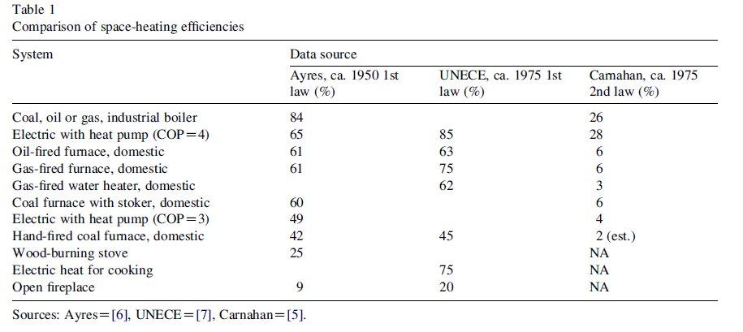
 | Ayres | UNECE | Carnahan
System | 1950 | 1975 | 1975
Coal, oil or gas, industrial boiler | 84.00% |  | 26.00%
Electric with heat pump (COP = 4) | 65.00% | 85.00% | 28.00%
Oil-fired furnace, domestic | 61.00% | 63.00% | 6.00%
Gas-fired furnace, domestic | 61.00% | 75.00% | 6.00%
Gas-fired water heater, domestic |  | 62.00% | 3.00%
Coal furnace with stoker, domestic | 60.00% |  | 6.00%
Electric with heat pump (COP = 3) | 49.00% |  | 4.00%
Hand-fired coal furnace, domestic | 42.00% | 45.00% | 2.00%
Wood-burning stove | 25.00%
Electric heat for cooking |  | 75.00%
Open fireplace | 9.00% | 20.00%

VerBeek_2020
Year | 1971 | 1972 | 1973 | 1974 | 1975 | 1976 | 1977 | 1978 | 1979 | 1980 | 1981 | 1982 | 1983 | 1984 | 1985 | 1986 | 1987 | 1988 | 1989 | 1990 | 1991 | 1992 | 1993 | 1994 | 1995 | 1996 | 1997 | 1998 | 1999 | 2000 | 2001 | 2002 | 2003 | 2004 | 2005 | 2006 | 2007 | 2008 | 2009 | 2010 | 2011 | 2012 | 2013
Efficiency | 0.12 | 0.12 | 0.12 | 0.12 | 0.12 | 0.12 | 0.12 | 0.12 | 0.12 | 0.12 | 0.12 | 0.12 | 0.12 | 0.12 | 0.12 | 0.12 | 0.12 | 0.12 | 0.12 | 0.12083333333 | 0.12095238095 | 0.12107142857 | 0.12119047619 | 0.12130952381 | 0.12142857143 | 0.12154761905 | 0.12166666667 | 0.12178571429 | 0.1219047619 | 0.12202380952 | 0.12214285714 | 0.12226190476 | 0.12238095238 | 0.1225 | 0.12322916667 | 0.12395833333 | 0.1246875 | 0.12541666667 | 0.12614583333 | 0.126875 | 0.12760416667 | 0.12833333333 | 0.13
Event |  |  |  |  |  |  |  |  |  |  |  |  |  |  |  |  |  |  |  | Adehsa Begins |  |  |  |  |  |  |  |  |  |  |  |  |  | Proyector Mirador Begins |  |  |  |  |  |  |  | Fundel Begins
Adoption | 0 | 0 | 0 | 0 | 0 | 0 | 0 | 0 | 0 | 0 | 0 | 0 | 0 | 0 | 0 | 0 | 0 | 0 | 0 | 0.01 | 0.011428571429 | 0.012857142857 | 0.014285714286 | 0.015714285714 | 0.017142857143 | 0.018571428571 | 0.02 | 0.021428571429 | 0.022857142857 | 0.024285714286 | 0.025714285714 | 0.027142857143 | 0.028571428571 | 0.03 | 0.03875 | 0.0475 | 0.05625 | 0.065 | 0.07375 | 0.0825 | 0.09125 | 0.1 | 0.12
3 Stone Fire | 0.12
Justa | 0.20333333333
%Addoption | 0.15
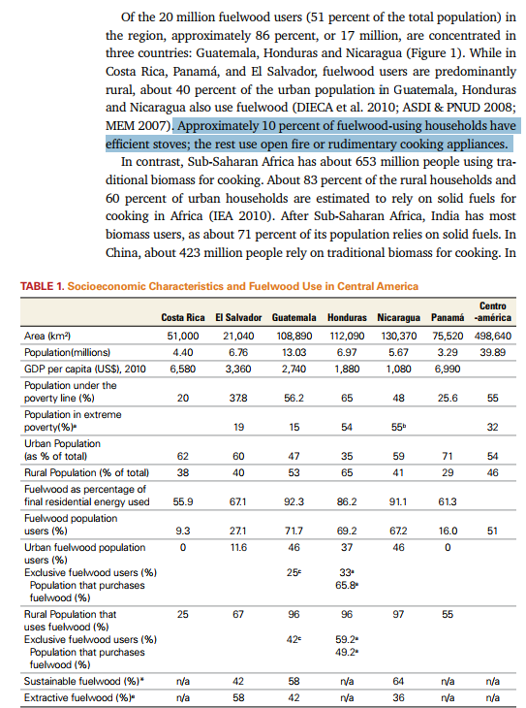

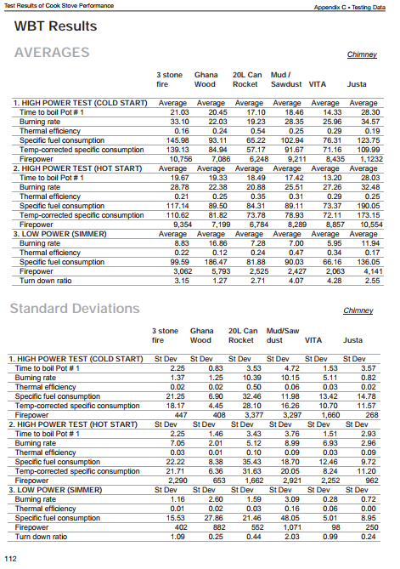
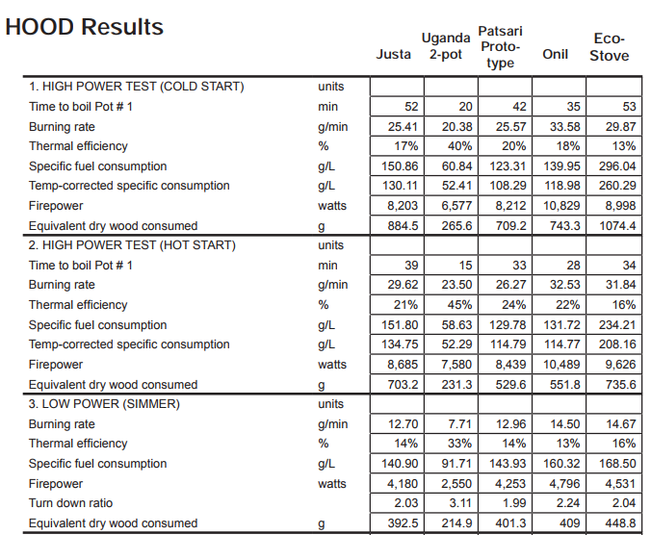
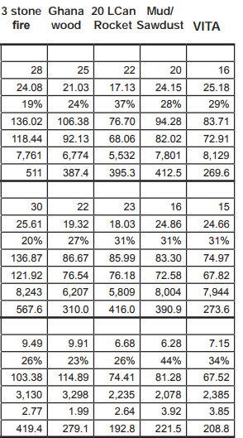
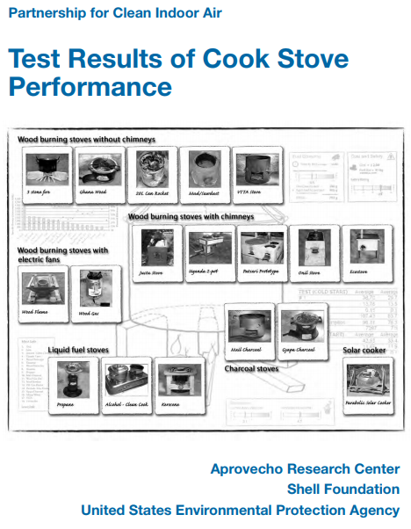


Electric Stoves
http://www.calmac.org/publications/Product_Trends_Mfr_Insights_Report_Final_2015.09.15.pdf

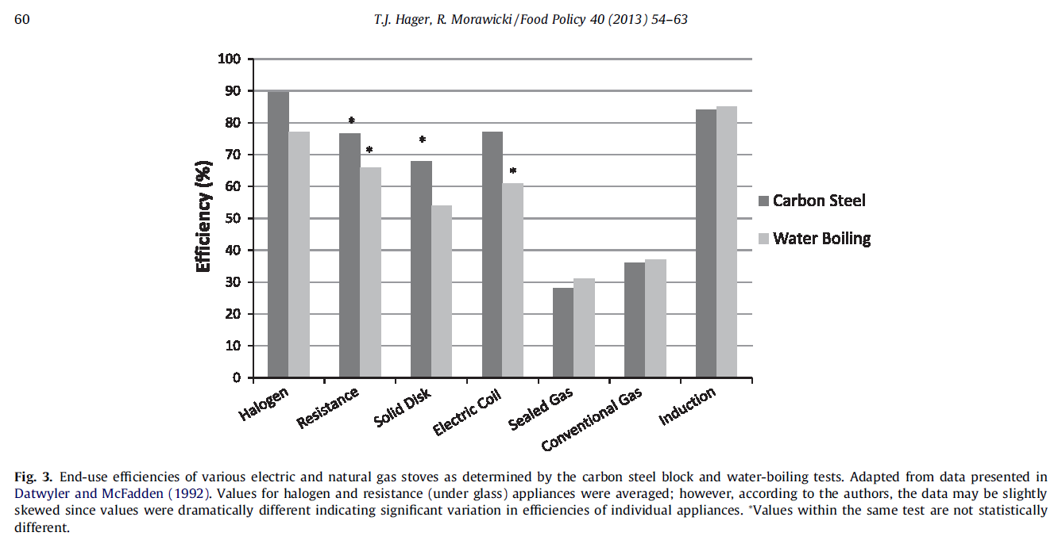
eta_1995_stove | 69% | From Hager and Morawicky
eta_2013_stove | 74% | From Calmac
so:
eta_1971_stove | 63% | Linearly

eta_2008_oven | 13%
Assume a ~20% drop in efficiency
eta_1971_oven | 10%

In Honduras, ovens are used ~25% of the time, while stoves are used the other 75%
therefore:
eta_2013 | 0.5874
eta_1971 | 0.4975



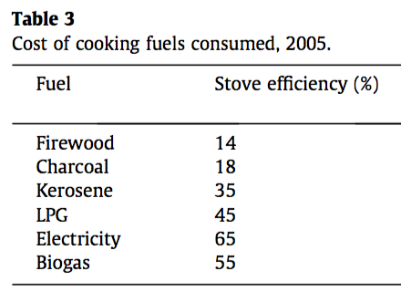

 |  |  |  | eta_chcl_stove | 0.18
 |  |  |  | eta_lpg_stove | 0.45

